Example
REFM's 5-Component Framework for Financial Model Projection Formula Construction

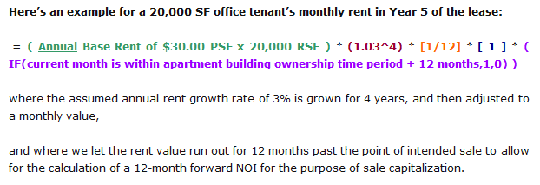

Example:
Annual Base Rent PSF | $30.00
Tenant SF | 20,000 SF
Annual Growth Factor | 3%
Month of Building Sale | Month 72

Month # | 1 | 2 | 3 | 4 | 5 | 6 | 7 | 8 | 9 | 10 | 11 | 12 | 13 | 14 | 15 | 16 | 17 | 18 | 19 | 20 | 21 | 22 | 23 | 24 | 25 | 26 | 27 | 28 | 29 | 30 | 31 | 32 | 33 | 34 | 35 | 36 | 37 | 38 | 39 | 40 | 41 | 42 | 43 | 44 | 45 | 46 | 47 | 48 | 49 | 50 | 51 | 52 | 53 | 54 | 55 | 56 | 57 | 58 | 59 | 60 | 61 | 62 | 63 | 64 | 65 | 66 | 67 | 68 | 69 | 70 | 71 | 72 | 73 | 74 | 75 | 76 | 77 | 78 | 79 | 80 | 81 | 82 | 83 | 84 | 85 | 86 | 87 | 88 | 89 | 90 | 91 | 92 | 93 | 94 | 95 | 96 | 97 | 98 | 99 | 100 | 101 | 102 | 103 | 104 | 105 | 106 | 107 | 108
Year # | 1 | 1 | 1 | 1 | 1 | 1 | 1 | 1 | 1 | 1 | 1 | 1 | 2 | 2 | 2 | 2 | 2 | 2 | 2 | 2 | 2 | 2 | 2 | 2 | 3 | 3 | 3 | 3 | 3 | 3 | 3 | 3 | 3 | 3 | 3 | 3 | 4 | 4 | 4 | 4 | 4 | 4 | 4 | 4 | 4 | 4 | 4 | 4 | 5 | 5 | 5 | 5 | 5 | 5 | 5 | 5 | 5 | 5 | 5 | 5 | 6 | 6 | 6 | 6 | 6 | 6 | 6 | 6 | 6 | 6 | 6 | 6 | 7 | 7 | 7 | 7 | 7 | 7 | 7 | 7 | 7 | 7 | 7 | 7 | 8 | 8 | 8 | 8 | 8 | 8 | 8 | 8 | 8 | 8 | 8 | 8 | 9 | 9 | 9 | 9 | 9 | 9 | 9 | 9 | 9 | 9 | 9 | 9
Monthly Rent | $50,000 | $50,000 | $50,000 | $50,000 | $50,000 | $50,000 | $50,000 | $50,000 | $50,000 | $50,000 | $50,000 | $50,000 | $51,500 | $51,500 | $51,500 | $51,500 | $51,500 | $51,500 | $51,500 | $51,500 | $51,500 | $51,500 | $51,500 | $51,500 | $53,045 | $53,045 | $53,045 | $53,045 | $53,045 | $53,045 | $53,045 | $53,045 | $53,045 | $53,045 | $53,045 | $53,045 | $54,636 | $54,636 | $54,636 | $54,636 | $54,636 | $54,636 | $54,636 | $54,636 | $54,636 | $54,636 | $54,636 | $54,636 | $56,275 | $56,275 | $56,275 | $56,275 | $56,275 | $56,275 | $56,275 | $56,275 | $56,275 | $56,275 | $56,275 | $56,275 | $57,964 | $57,964 | $57,964 | $57,964 | $57,964 | $57,964 | $57,964 | $57,964 | $57,964 | $57,964 | $57,964 | $57,964 | $59,703 | $59,703 | $59,703 | $59,703 | $59,703 | $59,703 | $59,703 | $59,703 | $59,703 | $59,703 | $59,703 | $59,703 | $0 | $0 | $0 | $0 | $0 | $0 | $0 | $0 | $0 | $0 | $0 | $0 | $0 | $0 | $0 | $0 | $0 | $0 | $0 | $0 | $0 | $0 | $0 | $0

Forecasted Year | Year 5
Forecasted Rent | $56,275

