Cover
Real Estate Financial Modeling

Residual Land Valuation Models

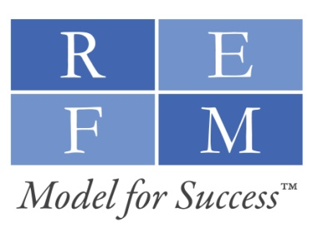

Webinar Back Of The Envelope Models - Version 4.0
Copyright © 2009 Real Estate Financial Modeling, LLC. All rights reserved.
www.GetREFM.com

