Chapter 1 Figure
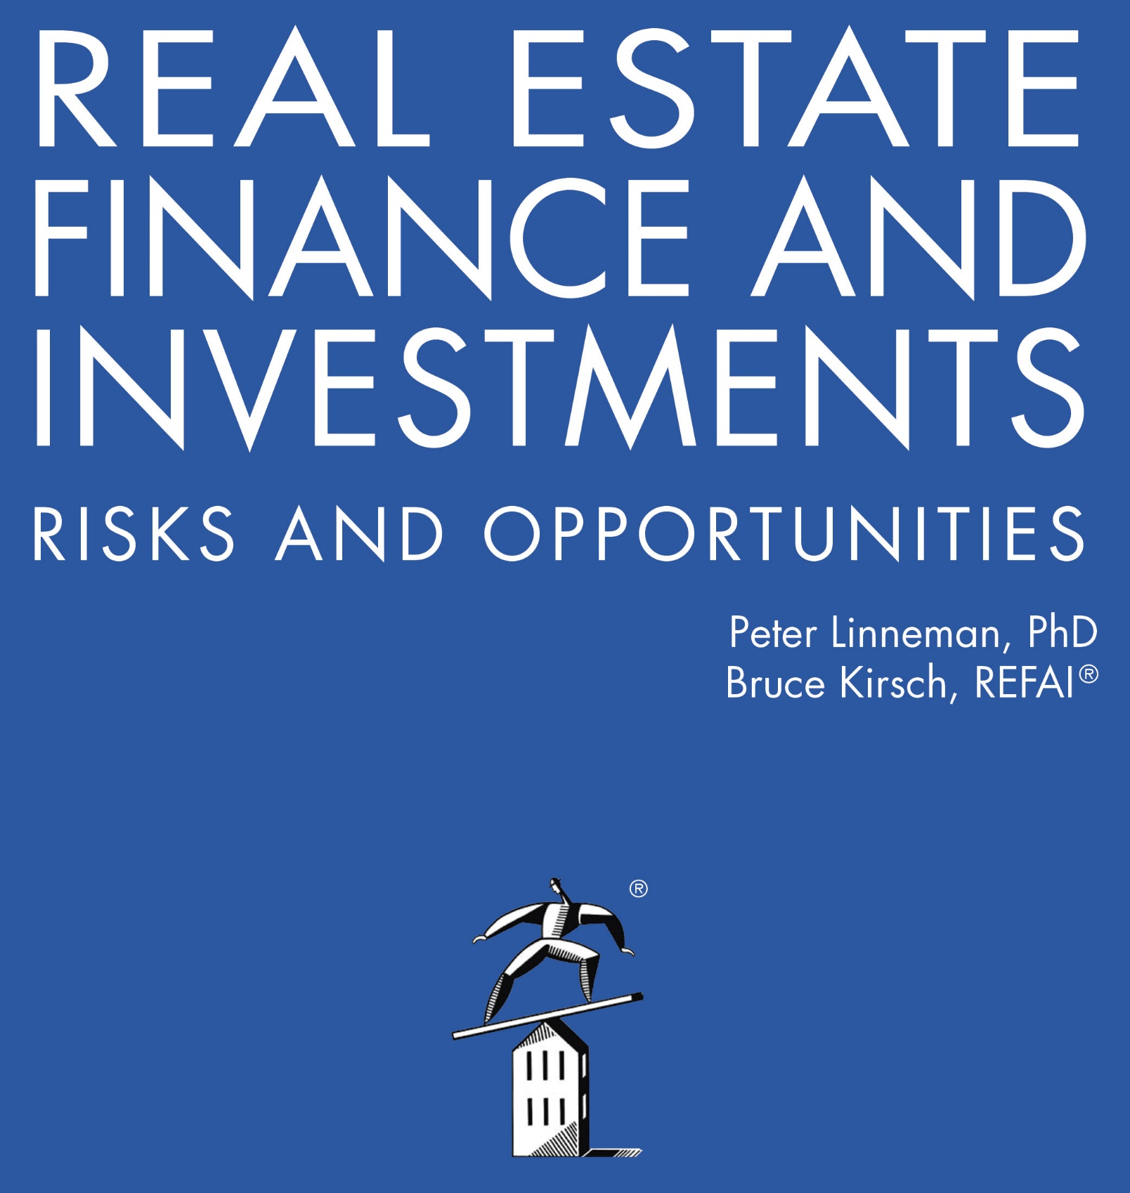

Online Companion: Chapter 1 Figure
Introduction: Risks and Opportunities

2022

