2 Assumptions Input
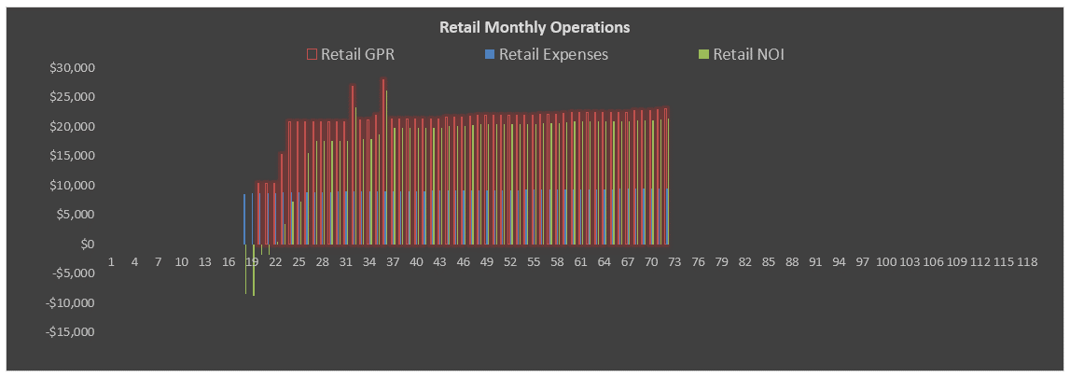
 | Model Use Instructions
 |  |  | Model Checks: Budget, Financing |  |  |  |  |  |  |  |  |  |  |  |  |  |  |  |  | Model Checks: Lease Ups, Profit Sharing, Loans
 |  |  | Budget |  | OK | Uses of Funds = Sources of Funds |  | OK |  |  |  |  |  |  |  | Senior Loan |  |  |  | Apartments |  |  | Profit Sharing |  | Permanent Loan
 |  |  | Soft Costs allocation = 100% |  | OK | Senior Loan Fully Drawn |  | OK |  |  |  |  |  |  |  | Check |  |  |  | All Market Rate units are leased |  |  | Waterfall #1 Check | OK | Pays off construction debt in full | OK
 |  |  | Land Loan Repayment |  | Repayment OK | Senior Loan |  | OK |  |  |  |  |  |  |  | $0 |  |  |  | All Market Rate units are leased |  |  | Waterfall #2 Check | OK
 |  |  | Senior Loan Repayment |  | Repayment OK | Land, Parking & Acquisition Costs |  | OK |  |  |  |  |  |  |  |  |  |  |  | All Affordable units are leased |  |  | Partnership Structure Tab | OK | Repaid in full | OK
 |  |  | Assums Tab v. S&U Tab |  | OK | Hard Costs |  | OK |  |  |  |  |  |  |  |  |  |  |  | All Affordable units are leased
 |  |  | S&U monthlies are equal |  | OK | Soft Costs |  | OK

 | Tower Mixed-Use Project | 123 Main Street, Anytown, NY 10001 |  |  |  |  |  |  |  |  |  |  |  |  |  |  |  |  | Tower Mixed-Use Project | 123 Main Street, Anytown, NY 10001
 | 5/24/2016 |  |  |  |  |  |  |  |  |  |  |  |  |  |  |  |  | 5/24/2016
 |  |  |  |  |  |  |  |  |  |  |  |  | % Total | Per Above-Grade GSF | Per Unit | Total
 | BUILDING PROFILE |  |  |  |  |  |  |  |  | DEVELOPMENT USES OF FUNDS |  |  |  |  |  |  |  | CASH FLOW |  |  |  |  |  |  |  | PERMANENT LOAN REFINANCING OF DEVELOPMENT LOAN(S) |  |  |  |  |  | Permanent Loan Tests
 | Property Name and Address |  | Tower Mixed-Use Project | 123 Main Street, Anytown, NY 10001 |  |  |  |  |  |  | Land & Acquisition Costs |  | 10.00% Deposit | 8.63% | $15.33 | $15,152 | $1,000,000 |  |  |  |  |  |  |  |  |  |  |  |  |  |  |  | NOI Test
 |  |  |  |  |  |  |  |  |  | Additional Parking Space Acquisition Costs |  | $2,500/Space |  |  |  | $147,500 |  | Apartment Unit Income and Lease Up and Additional Income |  |  |  | Annual Per-Unit Apartment Operating Expenses |  |  |  | Last Unit Leased - 1st Phase | 11/01/2021 | Month 21 | NOI at Point of Refinancing |  | $977,590 | Forward 12M NOI at Point of Refinancing |  | $977,590
 | Lot Square Footage | 1.05 Acres | 45,560 SF | Average Garage Floorplate |  |  |  | 10,000 SF |  | Total Hard Costs |  |  | 64.14% | $113.87 | $112,575 | $7,429,948 |  | Leased Apartment Units |  |  |  | Apartment and Parking Use |  |  |  | Last Unit Leased - 2nd Phase | 06/01/2022 | Month 29 | Maximum Loan Amount |  | $10,427,630 | Capitalization Rate at Point of Refinancing |  | 7.50%
 | Total Gross Building Area Above Grade | Phase 1: | 31,000 GSF | Useable SF Required Per Parking Spot |  |  |  | 400 SF |  | Apartment Building Hard Costs - Phase 1 |  | $53/Apt. GSF | 26.19% | $95.00 |  | $3,033,350 |  | Affordable Unit Average Rent - Today's values |  | $1.55 PSF | $1,327/month | Management |  |  | $3,000 | Month # of Refinancing |  | Month 31 | Amount Borrowed | Remaining Principal Only plus Fees |  | Gross Valuation at Point of Refinancing |  | $13,034,537
 |  | Phase 2: | 34,250 GSF | Retail Parking Spots |  |  |  | 34 Spots | 2nd Phase | Apartment Building Hard Costs - Phase 2 |  |  | 28.93% | $95.00 |  | $3,351,363 |  | Market Unit Average Rent - Today's values |  | $2.67 PSF | $2,063/month | Administration |  |  | $1,500 | Date of Refinancing | 2 mos. after last unit leased | 09/01/2022 | Principal Amount |  | $9,070,887 | Maximum LTV |  | 80%
 | Density | 1.43 FAR | 65,250 GSF | Residential Parking |  |  | 0.5 spots per Apt | 25 Spots | 10 Spots | Retail Hard Costs |  | $33/Retail GSF | 2.16% | $3.83 |  | $250,000 |  |  |  |  |  | Payroll |  |  | $2,000 |  |  |  | New Loan LTV |  | 69.59% | Maximum Loan Proceeds | $10,427,630
 | Zoning |  | CBD | Programmed Gross Parking Area (Retail + Res'l) |  |  |  | 27,600 GSF |  | Owner-Directed Hard Costs |  |  | 1.29% | $2.30 |  | $150,000 |  | Initial / Ongoing Lease-Up Rent Concessions and LCs |  | 1.0 mos. / | 0.75 mos. of rent | Utilities |  |  | $500 | Term |  | 30 Years
 | Allowable Lot Coverage |  | 75.00% | Levels of Parking Required |  |  |  | 2.76 levels | 2nd Phase | FF&E | Final 2 Month(s) of Construction |  | 1.08% | $1.92 |  | $125,000 |  | % of Leases Renewed |  |  | 90.00% | Water & Sewer |  |  | $300 | Amortization Period |  | 29 Years | Remaining Senior Loan Principal |  | $6,493,302 | Debt Service Coverage Ratio Test
 | Building Allowable Footprint |  | 6,000 SF | Residential Storage SF |  |  |  | 2,000 SF | 1,000 SF | Contingency | 5.00% of Base Building Hard Costs |  | 2.86% | $5.08 |  | $331,736 |  | Downtime |  |  | 0.50 mos. | Repair & Maint. |  |  | $250 | Interest Only Period (Enter 0 if None) |  | 1.0 Year(s) | Remaining Mezzanine Loan Principal |  | $2,399,725 | Forward 12M NOI at Point of Refinancing |  | $977,590
 | Height Limit (Stories) |  | 5 Stories | Residential Storage Units |  |  |  | 25 Units | 10 Units | Retail Tenant Improvements |  |  | 1.63% | $2.89 |  | $188,500 |  | Apartment Vacancy |  |  | 7.50% | Insurance |  |  | $225 | Interest Rate |  | 4.00% | Excess Proceeds for Funded Fees |  | $177,861 | Required Debt Service Coverage Ratio |  | 1.25x
 | Number of Floors |  | 3.00 floors | Above-Grade GSF excluding Parking |  |  |  | 65,250 GSF |  | Total Soft Costs and Fees | 63.84% of Base Building Hard Costs |  | 18.10% | $32.13 | $31,761 | $2,096,207 |  | Credit & Collection Loss |  |  | 1.00% | Operating Expenses Per Market Rate Unit Per Year |  |  | $7,775 | Monthly Payment |  | $50,676 | Loan/Broker Fees/Closing Costs |  | 2.00%
 | Average Slab to Slab Height |  | 11.0 feet | Total Building GSF including Parking |  |  |  | 92,850 GSF |  | Soft Costs | 5.00% Contingency |  |  | $19.10 |  | $1,334,540 |  | Loss to Lease |  |  | 1.00% | Make Ready/Unit Turnover Cost |  |  | $350 |  |  |  | Loan/Broker Fees/Closing Costs |  | $177,861 | Maximum Allowable Debt Service |  | $782,072
 | Height Limit (Feet) |  | 60.0 feet |  |  |  |  |  |  | Developer Fee | 5.00% of Base Building Hard Costs |  | 10.00% Paid during Pre-construction |  |  | $331,736 |  | CapEx Reserve Per Unit Per Year |  |  | $510 | Assessed Value/Unit at Delivery |  | $250,000 |  |  |  |  |  |  |  | Maximum Loan Proceeds | $13,410,750
 | Building Height (Feet) |  | 40.0 feet | Unit Summary |  | Average Unit | Share % Total | 1st Phase | 2nd Phase | Retail Broker Fees and Other Leasing Costs |  |  |  |  |  | $297,238 |  | Rent Escalates Prior to Delivery? |  | No |  | RE Taxes | Tax Rate 0.75% |  | $1,875 | DISPOSITION
0 RSF | Ground Floor Retail |  | 7,500 RSF | Market Rate Units |  | 808 RSF | 80.30% | 25 Units | 28 Units | Construction Mgmt. Fee | 2.00% of Base Building Hard Costs |  |  |  |  | $132,694 |  |  |  |  |  | Total Operating Expenses and RE Taxes Per Unit Per Year |  |  | $10,000
 | Residual Apartment GSF |  | 57,750 GSF | Affordable Units |  | 855 RSF | 19.70% | 5 Units | 8 Units | Capitalized Financing Costs |  |  | 3.19% | $5.67 | $5,601 | $369,646 |  | Parking, Storage and Miscellaneous Income |  |  |  |  |  |  |  | Apartment and Parking Asset |  |  | Retail and Parking Asset
 | Residential Use Efficiency Factor |  | 89.91% | Total Units |  | 787 RSF | 100.00% | 30 Units | 36 Units | Cash Financing Costs |  |  | 4.64% |  |  | $537,915 |  | Annual Rent/Parking Spot |  | $43/month | $510 | Unleased Unit Expenses and Global Inflation Factors |  |  |  | Exit Timing |  | Month 60 | Exit Timing |  | Month 60
 | Rentable Apartment SF |  | 51,925 RSF |  |  |  | 66 Units Total |  |  | Total Development Cost (Uses of Funds) |  |  | 99.98% | $177.49 | $175,473 | $11,581,217 |  | Parking Vacancy |  |  | 15.0% | Retail Space O&M and RE Tax |  |  | $25/SF/Year | Sale Date | Year 4 of model | 2025-02-01 | Sale Date | Year 4 of model | 2025-02-01
 |  |  |  |  |  |  |  |  |  | Operating Deficit |  |  | 0.02% |  |  | $2,864 |  | Average Storage Income Per Unit, Monthly |  |  | $50.00 | Parking O&M |  |  | $100/Spot/Year |  | Year 4 of operation |  |  | Year 4 of operation
 | PROJECT TIMING VARIABLES |  |  |  |  |  |  |  |  | Total Development Cost Including Operating Deficit |  |  | 100.00% | $177.53 | $175,516 | $11,584,081 |  | Miscellaneous Income PSF Per Year |  |  | $0.10 | Unleased Apartment Unit O&M |  |  | $300/Unit/Year | Sale Capitalization Rate |  | 6.00% | Sale Capitalization Rate |  | 6.00%
 |  | Elapsed Month # | Date/Duration |  |  |  |  |  |  |  |  |  |  |  |  |  |  |  |  |  |  | Unleased Storage Space O&M |  |  | $2.50/SF/Year | Valuation Basis | Trailing 12 Months Adjusted NOI |  | Valuation Basis | Trailing 12 Months Adjusted NOI
 | General Project Timing Schedule |  |  | Affordable Apartment Unit Lease-up Schedule |  |  |  |  |  | DEVELOPMENT SOURCES OF FUNDS |  |  |  |  |  |  |  |  |  |  |  |  |  |  |  | Trailing 12 Months Adjusted NOI |  | $754,679 | Trailing 12 Months Adjusted NOI |  | $245,475
 | Land Purchase and Lease Timing |  |  | # of Units Pre-Leased by 1st C of O / Pre-Lease Duration |  |  |  | 2 Units | 1 month(s) |  |  |  |  |  |  |  | Non-Development | Ground Lease (paid monthly) |  | 3.00%/year | 9/1/2021 | Annual Income Inflation Factor |  |  | 3.00% | Gross Sale Valuation |  | $12,577,990 | Gross Sale Valuation |  | $4,091,246
 | Project/Analysis Start Date | 1 | 2020-03-01 | Monthly Absorption Rate |  |  |  | 3.00/month |  | Equity | % of Developer Equity | % of Total Equity | Initial Contribution | Deficit Share | % of Cost | Total Equity | Deficits | Escalator |  | (tied to rental growth) | Year 1: $150,000 | Annual Expense Inflation Factor |  |  | 2.50% | Selling Costs |  | 3.00% | Selling Costs |  | 4.00%
 | Land Contract Execution |  | 2020-07-01 | Units to Lease / Post-Const. Duration |  |  |  | 3 Units | 1.00 months | Sponsor Land Equity, if any | 12.50% | 2.44% | $50,000 | $3,823 | 0.46% | $53,823 | $0 | Esc. Exclusions |  |  | First 0 years | Annual Real Estate Taxes Inflation Factor |  |  | 1.75% | Net Sale Proceeds |  | $12,200,650 | Net Sale Proceeds |  | $3,927,596
 | Land Deposit Date |  | 2020-07-01 | Last Unit Leased |  |  |  | Month 17 | 2021-08-01 | Sponsor Cash Equity | 25.00% | 4.88% | $100,000 | $7,645 | 0.93% | $107,645 | $0
 | Land Closing Date |  | 2020-08-01 |  |  |  |  |  |  | Partner Equity, if any | 62.50% | 12.20% | $250,000 | $19,113 | 2.32% | $269,113 | $0 | RETAIL COMPONENT INCOME, TI, LOSS AND RESERVE ASSUMPTIONS |  |  |  |  |  |  |  | RETURNS SUMMARY^
 | Ground Lease Start Month # | 19 | 2021-09-01 | Market Rate Apartment Unit Lease-up Schedule |  |  |  |  |  | Third Party Investor Equity |  | 80.49% | $1,650,000 | $126,146 | 15.33% | $1,776,146 | $0 |  |  |  |  |  |  |  |  |  | Land Equity | Sponsor | Equity Partner | Third Party Inv. | Total Project
 |  |  |  | # of Units Pre-Leased by 1st C of O / Pre-Lease Duration |  |  |  | 5 Units | 1 month(s) | Equity Total |  | 100.00% | $2,050,000 | $156,727 | 19.05% | $2,206,727 | $0 |  | Tenant 1 | Tenant 2 | Tenant 3 | Tenant 4 | Tenant 5 | Total |  | Equity Investment | $53,823 | $107,645 | $269,113 | $1,776,146 | $2,206,727
 | Construction Timing and Schedule |  |  | Monthly Absorption Rate |  |  |  | 6.00/month |  |  |  |  |  |  |  |  |  | Tenant Name | Retail Tenant #1 | Retail Tenant #2 | Retail Tenant #3 | Retail Tenant #4 | Retail Tenant #5 |  |  | Net Return on Equity |  | $1,093,870 | $925,098 | $4,260,553 | $6,279,521
 | Months of Pre-Construction |  | 6 months | Units to Lease / Post-Const. Duration |  |  |  | 20 Units | 3.33 months | Debt and Cash Reserves | Date |  |  |  |  |  |  | Rentable SF | 2,500 RSF | 1,500 RSF | 1,000 RSF | 1,500 RSF | 1,000 RSF | 7,500 RSF |  | Multiple on Equity * |  | 7.77x | 4.44x | 3.40x | 3.85x
 | Construction Start Date | 7 | 2020-09-01 | Last Unit Leased |  |  |  | Month 21 | 2021-12-01 |  |  |  |  |  |  | Total |  | First Year Annual Rental Rate PSF | $25.00 | $26.00 | $22.00 | $18.50 | $26.50 |  |  | IRR |  | 56.54% | 39.42% | 35.00% | 38.07%
 | # of Months of Construction |  | 12 months | Total Number of Mos. of Residential Lease-up |  |  |  | 5 months |  | Cash Reserves used for Late Development |  | % of Cash Flow Reserved: | 10.00% | Reserve Used: | 0.00% | $0 |  | TI per SF | $25.00 | $25.00 | $30.00 | $19.00 | $30.00 |  |  | NPV off of Monthly CFs | Annual discount rate: 8.00% |  |  |  | $3,779,034
 | 1st C of O Lead Time |  | 2 month(s) |  |  |  |  |  |  | Reserve Available: | $124,481 | Total Reserve Cap | $250,000 |  |  |  |  | Credit & Collection Loss |  |  |  |  |  | 3.00% |  | Going-In NOI |  |  |  |  | $986,174
 | 1st C of O and Unit Rent Received | 17 | 2021-07-01 | Retail Space Timing Schedule |  |  |  |  |  |  |  |  |  |  |  |  |  | General Vacancy |  |  |  |  |  | 2.00% |  | Going-In Yield |  |  |  |  | 8.51%
 | Construction End & Final C of O Received | 18 | 2021-08-01 | First Retail TI Payment |  |  |  | 2021-09-01 |  | Land Loan | 2020-08-01 | 8.00% Interest | Int. Payments: |  |  | $500,000 |  | Retail CapEx Reserve Per RSF Per Year |  |  |  |  |  | $0.25 PSF |  | Net Cash Flow |  |  |  |  | $6,279,521
 | Stabilization (Last Market Unit Leased) | 21 | 2021-11-01 | First Retail Rent Commencement |  |  |  | 2021-10-01 |  | Mortgage Recording Tax (Cash) | 2020-08-01 | 0.50% | Current payments |  |  | 50% of Land Cost
 |  |  |  |  |  |  |  |  |  | Origination Costs (Cash) | 2020-08-01 | 0.50% |  | % of Debt | % of Cost |  |  | EQUITY JOINT VENTURE PARTNERSHIP WATERFALL STRUCTURE |  |  |  |  |  |  |  | NOTES
 | PROJECT SECOND PHASE |  |  | Affordable Apartment Unit Lease-up Schedule |  |  |  |  |  | Mezzanine Loan | 2020-12-01 | 9.00% Interest |  | 27.80% | 21.58% | $2,500,000
 | Construction Start Date | 16 | 2021-07-01 | # of Units Pre-Leased by 1st C of O / Pre-Lease Duration |  |  |  | 3 Units | 1 month(s) | Loan Fees - Front End (Cash) | 2020-12-01 | 0.25% |  |  |  |  |  | Waterfall #1: Top-Level Partnership Structure |  | IRR Hurdle Rates
 | # of Months of Construction |  | 8 months | Units to Lease / Post-Const. Duration |  |  |  | 5 Units | 1.67 months | Senior Loan | 2020-09-01 | 4.50% Interest |  | 72.20% | 56.05% | $6,493,302 |  |  |  | Pref: 8.00% | Tier 1: 10.00% | Tier 2: 12.00% | Tier 3: 16.00% | Tier 4: > 16.00% |  | ^ Calculated off of monthly cash flows.
 |  |  |  | Monthly Absorption Rate |  |  |  | 3.00/month |  | Mortgage Recording Tax (Cash) | 2020-09-01 | 0.25% |  |  |  |  |  | Profit >> Sharing >> Splits >> | Sponsor Equity | 19.51% | 19.51% | 19.51% | 19.51% | 19.51% |  | * A 1.00x multiple = breakeven. Multiple on equity ignores the time value of money.
 | 1st C of O Lead Time |  | 2 month(s) | Last Unit Leased |  |  |  | Month 23 | 2022-01-01 | Front End Fees (Capitalized) | 2020-09-01 | 0.50% |  |  |  |  |  |  | Sponsor Promote | 0.00% | 5.00% | 10.00% | 15.00% | 25.00%
 | 1st C of O and Unit Rent Received | 22 | 2022-01-01 |  |  |  |  |  |  | Fees at Draws (Capitalized) |  | 0.35% |  |  |  |  |  |  | Investor | 80.49% | 75.49% | 70.49% | 65.49% | 55.49%
 |  |  |  | Market Rate Apartment Unit Lease-up Schedule |  |  |  |  |  | Switch to Cash Interest Payments | Month 0 | Clawback due to Costs Capitalized for Late Dev. |  | $0 |  |  |  |  |  | 100.00% | 100.00% | 100.00% | 100.00% | 100.00%
 | Construction End & Final C of O Received | 23 | 2022-02-01 | # of Units Pre-Leased by 1st C of O / Pre-Lease Duration |  |  |  | 5 Units | 1 month(s) |  | NA |  |  | Debt Total (excludes any Land Loan) | 77.64% | $8,993,302
 | Stabilization (Last Market Unit Leased) | 29 | 2022-07-01 | Units to Lease / Post-Const. Duration |  |  |  | 23 Units | 5.75 months |  |  |  |  | Property Cash Flow | 3.32% | $384,052
 |  |  |  | Monthly Absorption Rate |  |  |  | 4.00/month |  |  |  |  |  | Total Sources of Funds (excludes any Land Loan) | 100.00% | $11,584,081 |  | Waterfall #2: Sponsor Structure |  | IRR Hurdle Rates
 |  |  |  | Last Unit Leased |  |  |  | Month 29 | 2022-07-01 |  |  |  |  |  |  |  |  |  |  | Pref: 10.00% | Tier 1: 12.00% | Tier 2: 15.00% | Tier 3: 18.00% | Tier 4: > 18.00%
 | If there is no Second Phase, Unit Mix for Second Phase must not contain any units (update as needed on Tab 4 Apartment Unit Mix). |  |  |  |  |  |  |  |  |  |  |  |  |  |  |  |  | Profit >> Sharing >> Splits >> | Sponsor Equity | 37.50% | 37.50% | 37.50% | 37.50% | 37.50%
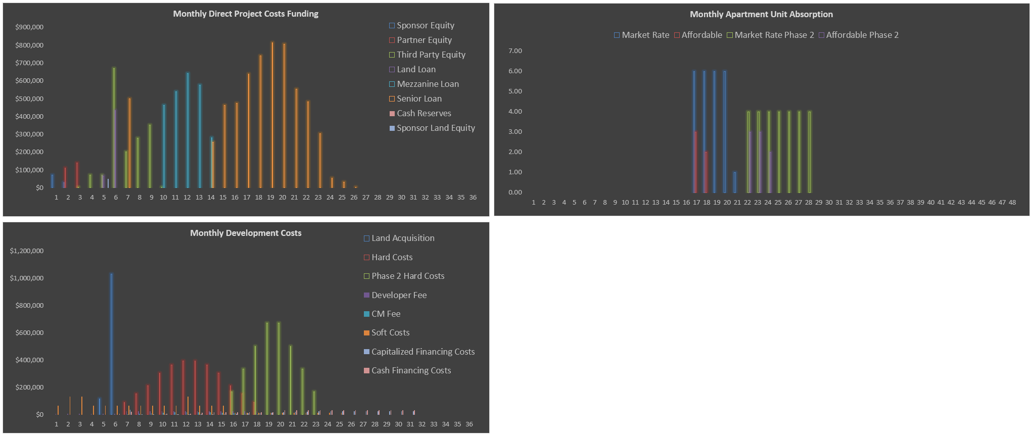
 |  |  |  |  |  |  |  |  |  |  |  |  |  |  |  |  |  |  | Sponsor Promote | 0.00% | 5.00% | 10.00% | 15.00% | 20.00%
 |  |  |  |  |  |  |  |  |  |  |  |  |  |  |  |  |  |  | Partner | 62.50% | 57.50% | 52.50% | 47.50% | 42.50%
 |  |  |  |  |  |  |  |  |  |  |  |  |  |  |  |  |  |  |  | 100.00% | 100.00% | 100.00% | 100.00% | 100.00%
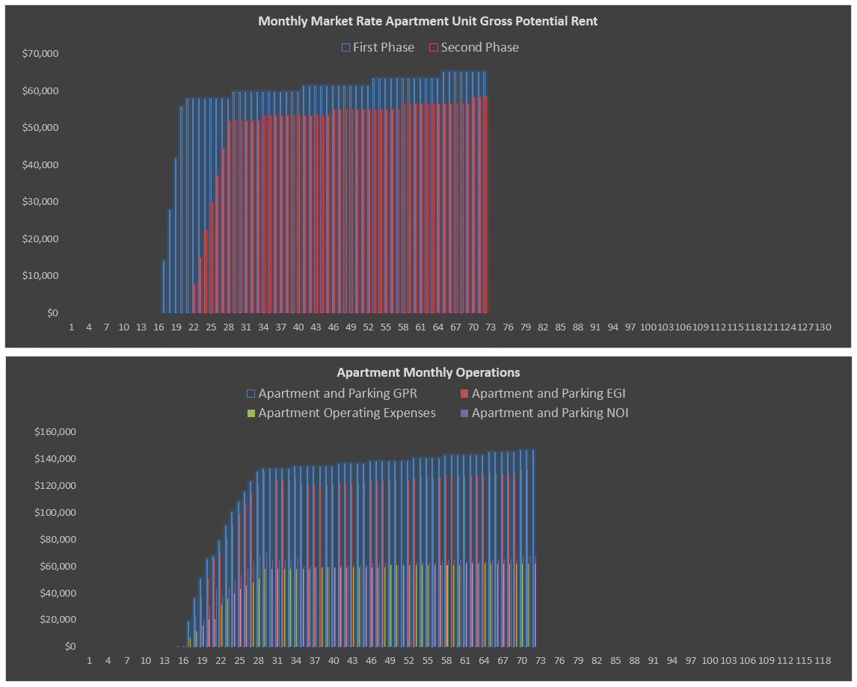

 | DON'T ERASE OR MOVE
 | Select PMT Type
 | Current payments
 | Accruing of interest

 | DON'T ERASE OR MOVE
 | Maximum Loan Amount
 | Remaining Principal Only plus Fees

 | DON'T ERASE OR MOVE
 | Yes
 | No

 | DON'T ERASE OR MOVE
 | Forward 12 Months Adjusted NOI
 | Trailing 12 Months Adjusted NOI

