2 Assumptions Input
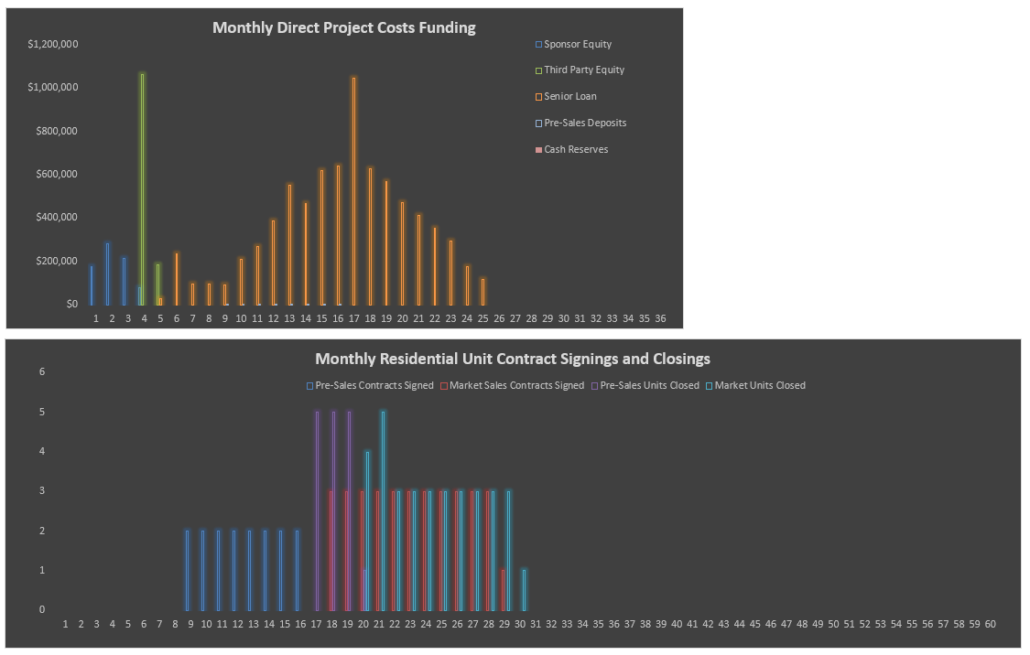
Model Use Instructions
 |  | Model Checks: Budget & Financing |  |  |  |  |  |  |  |  |  |  |  |  |  | Model Checks: Absorption & Cash Flows
 |  | Budget |  | OK |  |  |  |  |  |  | Senior Loan |  |  |  |  | Unit and Mix Details |  | OK
 |  | S&U Table |  | Balances OK |  |  |  |  |  |  | Check |  |  |  |  | House Sales |  | All Sold
 |  | Senior Loan Repayment |  | Repayment OK |  |  |  |  |  |  | $0 |  |  |  |  | House Closings |  | All Closed
 |  | Assums Tab vs. S&U Tab |  | OK |  |  |  |  |  |  |  |  |  |  |  | Deposit Revenue Check |  | Revenue OK
 |  |  |  |  |  |  |  |  |  |  |  |  |  |  |  | IRR Waterfall #1 |  | Checks out OK

The Lakes At Fair Meadow |  |  |  |  |  |  |  |  |  |  |  |  |  | The Lakes At Fair Meadow
10/3/2016 |  |  |  |  |  |  |  |  |  |  |  |  |  | 10/3/2016

SITE INFORMATION |  |  |  |  |  | DEVELOPMENT USES OF FUNDS |  |  |  |  |  |  |  | SALES CASH FLOWS |  |  |  |  |  | EQUITY JOINT VENTURE PARTNERSHIP STRUCTURE
 |  |  |  |  |  |  |  |  | $/SSF | % Total | $/House | Total
Project Name | The Lakes At Fair Meadow |  |  |  |  | Land and Acquisition Costs | 10.00% Deposit |  | $11.71 | 9.82% | $20,000 | $1,000,000 |  | G&A / Sales Office / Marketing & Adv. Spend |  | $4,000/mo | 3 Mos. prior to Pre-Sales Start |  |  | Profit Sharing |  | Preferred Return | Residual Split | Sponsor Promote
 |  |  |  |  |  |  |  |  |  |  |  |  |  |  |  |  |  |  |  |  |  | 10.00%
Property Location and Ownership |  |  |  |  |  | Total Hard Costs |  |  | $74.37 | 62.39% | $127,029 | $6,351,450 |  | Pre-Sales |  |  | $ / Unit |  | Total | Partnership Structure | Profit >> Sharing >> Splits >>
Address |  |  |  |  | Enter Address | Land Dev. & Amenity Costs |  |  |  |  |  | $750,000 |  | Pre-Sale Units | 16 Units |  |  |  |  | Sponsor Equity |  | 37.50% | 50.00% | 12.50%
County |  |  |  |  | Enter County | Vertical Construction Hard Costs |  | Base Hard Costs | $60.00/SF | 39% Ave. Price | $102,480 | $5,124,000 |  | Average Unit Size/Price |  |  | $261,250 |  |  | Investor Equity |  | 62.50% | 50.00%
Land Owner |  |  |  |  | Enter Owner | Owner Directed Hard Costs |  |  |  |  |  | $175,000 |  | Discount |  |  |  | 5.00% |  | Total |  | 100.00% | 100.00%
 |  |  |  |  |  | Hard Costs Contingency | 5.00% of Development Hard Costs |  |  |  | $6,049 | $302,450 |  | Options Upgrades |  |  | $15,000
Property Zoning and Density |  |  |  |  |  | Model Home(s) FF&E | 2 Mos. prior to First House Completion |  |  |  |  | $125,000 |  | Deposits: 10.00% |  |  |  |  | $442,000
Zoning |  |  |  |  | Residential-4 | Total Soft Costs and Fees | Soft Costs Curve Inputs |  | $26.90 | 22.57% | $45,949 | $2,297,468 |  | Settlements |  |  |  |  | $3,978,000 | Note: By its nature, the Preferred Return includes the Return of Capital.
Maximum Allowable Density |  |  |  | 2.00 Dwelling Units/acre |  | Soft Costs | 30.00% of Total Hard Costs |  |  |  | $38,109 | $1,905,435 |  | Total Pre-Sale Revenue |  |  | $276,250 |  | $4,420,000
Site Acreage |  |  |  |  | 50.00 acres | Developer Fee | 3.00% of Land & Total Hard Costs |  |  |  |  | $220,544 |  |  |  |  |  |  |  | EQUITY RETURNS ^
Total Allowable Housing Units |  |  |  | 100 Housing Units |  | Construction Management Fee | 2.70% of Total Hard Costs |  |  |  |  | $171,489 |  | Regular Sales | 5.00% Speculative
Total Planned Housing Units |  |  |  | 50 Housing Units |  | Financing Costs excl. any Operating Deficit |  |  | $4.76 | 3.99% | $8,123 | $406,173 |  | Regular Sales Units | 34 Units |  |  |  |  |  |  | Sponsor Developer | Third Party Investor | Total Project
 |  |  |  |  |  | Total Uses of Funds |  |  |  | 98.77% | $203,602 | $10,180,090 |  | Average Market Unit Price |  |  | $276,471
 |  |  |  |  |  | Operating Deficit (Funded by Equity) |  |  |  |  |  | $44,133 |  | Options Upgrades |  |  | $15,000/Unit | at a 20.00% Profit Margin |  | Profit Margin (Profit/Gross Sales) |  |  |  | 20.06%
 |  |  |  |  |  | Total Uses of Funds with Operating Def. |  |  | $119.72 |  |  | $10,224,223 | $0 | Deposits: 10.00% |  |  |  |  | $991,000 | Equity Investment |  | $796,840 | $1,328,066 | $2,124,905
 |  |  |  |  |  |  |  |  |  |  |  |  | OK | Regular Sales Settlements |  |  |  |  | $8,919,000 | Net Return on Equity |  | $1,393,010 | $1,481,220 | $2,874,230
PROJECT TIMING AND SALES VELOCITY ASSUMPTIONS |  |  |  |  |  | DEVELOPMENT SOURCES OF FUNDS |  |  |  |  |  |  |  | Total Regular Sales Revenue |  |  | $291,471 |  | $9,910,000 | Multiple on Equity |  | 2.75x | 2.12x | 2.35x
 |  |  |  |  |  |  |  |  |  | Deficit |  |  |  |  |  |  |  |  |  | IRR |  | 67.13% | 52.67% | 58.85%
 |  |  | Month # |  | Date | Equity |  | % of Total Equity | Initial Amount | Share* | % of Cost | Total Equity |  | Total Sales | 50 Units | 1,708 SF |  |  |  | Project IRR any Land Kicker |  |  |  | 58.85%
Analysis Start Date |  |  | 1 |  | 2020-06-01 | Sponsor Cash Equity |  | 37.50% | $750,000 | $46,840 | 7.79% | $796,840 |  | All Sales including Lot Premiums and Options |  |  | $271,600 |  | $14,330,000 | NPV off of Monthly CFs | at 8.00% |  |  | $2,170,248
Land Deposit Date |  |  | 2 |  | 2020-07-01 | Third Party Investor |  | 62.50% | $1,250,000 | $78,066 | 12.99% | $1,328,066 |  | Less Options Cost |  |  |  |  | ($600,000)
Land Closing Date |  |  | 4 |  | 2020-09-01 | Equity Total |  | 100.00% | $2,000,000 | $124,905 | 20.78% | $2,124,905 |  | Less Selling Costs: 4.00% |  |  |  |  | ($573,200) | Land Seller IRR Kicker Return Hurdle |  | 0.00%
 |  |  |  |  |  |  |  |  |  |  |  |  |  | Pre-Sales Deposits for Development |  |  |  |  | ($22,100) | Kicker Participation % |  | 0.00%
LAND DEVELOPMENT AND AMENITIES |  |  |  |  |  |  |  |  |  |  | % of | Total |  | Net Sales Revenue |  |  | $262,694 |  | $13,134,700
 |  | Duration | Month # | End Month # |  | Pre-Sales Deposits for Development |  | % of Total Deposits Used: | 5.00% |  | 0.22% | $22,100 |  |  |  |  |  |  |  | NOTES
Construction Start |  |  | 1 |  |  |  |  |  |  |  |  |  |  | OPERATING ASSUMPTIONS
Construction Duration (months) / End |  | 6 months |  | 6 |  | Cash Reserves used for Late Development |  | % of Cash Flow Reserved: | 0.00% | Reserve Used: | 0.00% | $0 |  | Annual Inflation Rate for OpEx & RE Taxes |  | 3.00% |  |  |  | ^ Calculated off of monthly cash flows
Budget | $750,000 |  |  |  |  | Reserve Available: | $0 | Total Reserve Cap | $0
$15,000/Lot |  |  |  |  |  |  |  |  |  |  |  |  |  | Speculative Inventory OpEx and RE Taxes * |  | Speculative Inventory Real Estate Taxes
 |  |  |  |  |  | Debt |  |  |  |  |  |  |  | Management | $250 | Average Assessed Value |  | 80.00% | $221,000
VERTICAL CONSTRUCTION |  |  |  |  |  | AD&C Senior Loan ** | 2020-10-01 | 5.00% Interest |  |  | 79.00% | $8,077,218 |  | Administration | $500 | Tax Rate |  |  | 1.00%
 |  | Duration | Month # | End Month # | # of Homes | Mortgage Recording Tax | 2020-10-01 | 1.00% |  |  |  |  |  | Payroll | $1,000 | Post-CO Annual RE Taxes/Unit |  |  | $2,210
Pre-Vertical Construction period |  | 9 months |  |  |  | Loan Fees - Front End | 2020-10-01 | 1.00% |  |  |  |  |  | Utilities | $250
 |  |  |  |  |  | Loan Fees - At Draws |  | 1.00% |  |  |  |  |  | Water & Sewer | $350
First House Foundation Start |  |  | 10 |  |  | Switch to Cash Interest Payments | Month 0 |  | Clawback due to Costs Capitalized for Late Dev. | $0 |  |  |  | Repair & Maint. | $250 | Total Expenses
Months Foundation takes to Cure Fully |  | 1 month(s) |  |  |  | Outstanding Loan Balance Limit | $10,000,000 |  |  | Debt Total | 79.00% | $8,077,218 |  | Homeowners Association | $650 | Total Real Estate Taxes |  |  | $2,210
Post-Foundation House Construction Cycle |  | 6 months |  |  |  | Periodic Repayment |  |  |  | Property Cash Flow | 0.00% | $0 |  | Insurance | $750 | Total Operating Expenses |  |  | $4,000
Foundation Starts (Consecutive months) |  | 10 months |  |  | 5.00/Month | % of Net Sales Proceeds Paid | 90.00% |  |  | Total Sources of Funds | 100.00% | $10,224,223 |  | Total Operating Expenses | $4,000 | Total Expenses Per Unit Per Year |  |  | $6,210
First House Complete |  |  | 15 |  |  |  |  |  |  |  |  |  |  | *Per Unit Per Year
Construction Duration / End |  | 16 months |  | 25
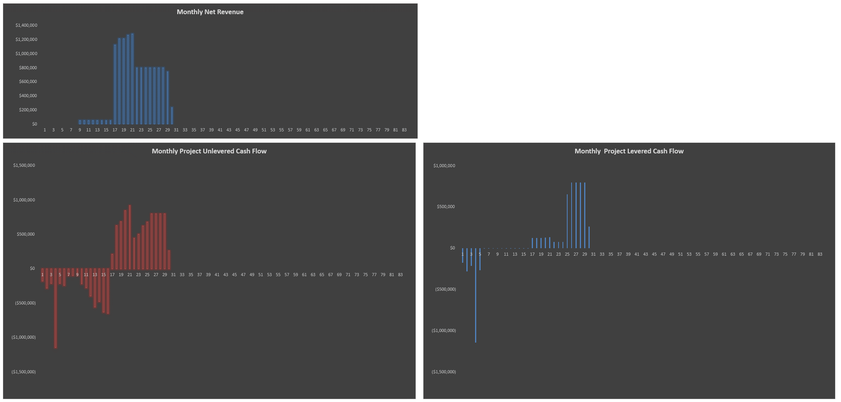
Maximum Unit Closings per Month |  |  |  |  | 5.00/Month
Pre-Sales Duration, Start, End, Rate | 16 Houses | 8 months | 9 | 16 | 2.00/Month | * Any Operating Deficit and Financing-related Deficits | ** Loan amount includes capitalized interest and capitalized points/fees
Regular Sales Duration, Start, End, Rate | 34 Houses | 12 months | 18 | 29 | 3.00/Month
Closings Start / End Month |  | 14 months | 17 | 30

