3 Assumptions Inputs
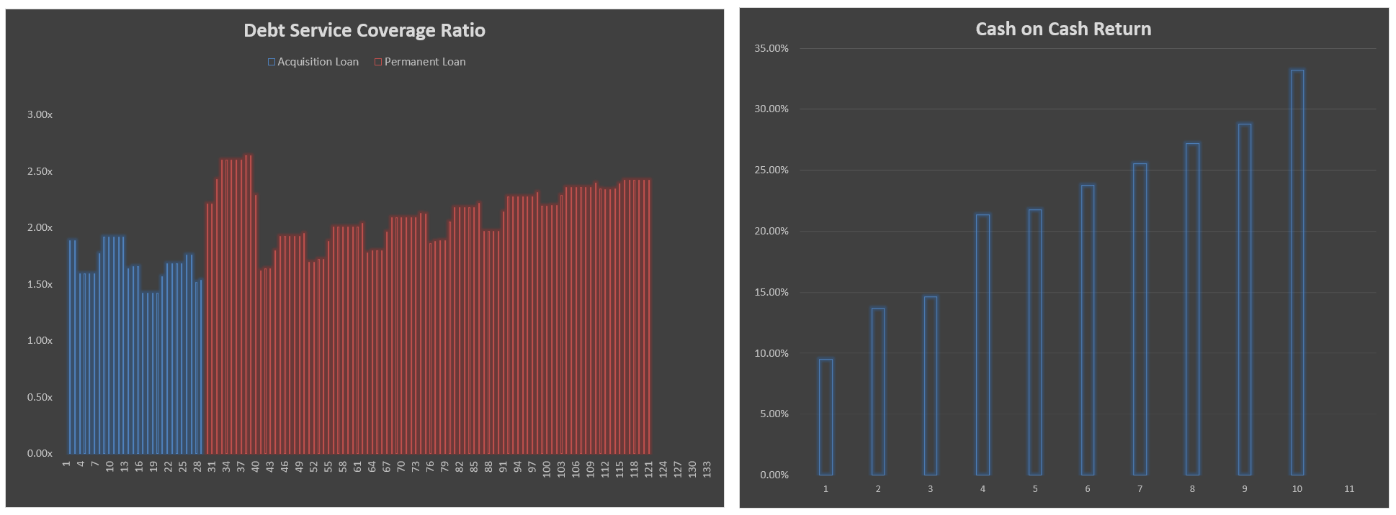
Entering the property's Unit Mix instead of full Rent Roll
On 3 Assumptions Inputs, override cells c21, c22, t16, and v16 with manual input values.
On 3 Assumptions Inputs, in the Current Unit Mix and Legal/Market Rents grid, override all gray shaded values in cell j49 through L62 and n49 through n62 with the unit mix data for the subject property. Then override all gray shaded values in the Fair Market Unit Averages box and Rent Stabilized Unit Averages box with inputs for the subject property.
Change all overridden cells to bold blue font to clarify what is a user input and what is not.
 |  |  |  |  |  |  |  |  |  |  |  |  |  |  |  |  |  |  | Model Checks
 |  |  |  |  |  |  |  |  |  |  |  |  |  |  |  |  |  |  | Acquisition Costs Check |  | OK |  | Waterfall Check | OK
 |  |  |  |  |  |  |  |  |  |  |  |  |  |  |  |  |  |  | Equity Contribution |  | OK |  | Perm Loan Repayment | OK
 |  |  |  |  |  |  |  |  |  |  |  |  |  |  |  |  |  |  | Debt Contribution |  | OK

Enter name | Address |  |  |  |  |  |  |  |  |  |  |  |  |  |  | Enter name | Address
Multi-Family Asset Acquisition and Renovation Analysis - Summary of Major Acquisition Assumptions |  |  |  |  |  |  |  |  |  |  |  |  |  |  | Multi-Family Asset Acquisition and Renovation Analysis - Summary of Major Operating Assumptions
 |  |  |  |  |  |  |  |  |  |  |  |  |  |  |  |  |  |  |  |  |  |  |  |  |  |  |  |  |  |  |  |  |  |  |  |  | DON'T ERASE OR MOVE
GENERAL AND TIMING |  |  |  |  |  |  | ACQUISITION COSTS |  |  |  |  |  |  |  | RENT GROWTH, RENOVATION AND CONVERSION SCHEDULE |  |  |  |  |  |  |  |  |  |  | GROSS RENT DEDUCTIONS AND NON-REVENUE UNITS |  |  |  |  |  |  |  |  |  |  | Valuation Choices
Property Name | Address | Enter name | Address |  |  |  | Owner | Enter owner |  |  | Trailing 12M NOI: | $727,000 |  |  |  |  |  |  |  |  |  |  |  |  |  |  |  | Year |  | 1 | 2 | 3 | 4 | 5 |  |  |  |  | Forward 12 Months
 |  |  |  |  |  |  |  |  | Gross Rent Multiple: | 6.85x | Going-in Cap on TTM: 7.27% |  |  |  | Units to be Renovated |  | 35 Fair Market |  | 35 Rent Stabilized |  |  |  | All Eligible Units Renovated |  |  | Gross Rent Deductions | TTM | 2017 | 2018 | 2019 | 2020 | 2021 |  |  |  |  | Trailing 12 Months
Type | Year Constructed | Mid-rise | 1900 | Transaction Timing |  | Date | Month/Year/Duration |  |  |  |  | Purchase Price | $10,000,000 |  |  |  |  |  |  |  |  |  |  | FM Renovation Timing OK |  |  | Loss to Lease (Existing Tenants) | 1.85% | 6.00% | 3.00% | 2.00% | 2.00% | 2.00% |  |  |  |  | 12th Month Forward, Annualized
Lot Area | Acreage | 25,000 SF | 0.57 acres | Acquisition Closing Date |  | 2017-10-31 | Month 0 | Closing Costs | $100,000 | Funded CapEx Rsvs. | $100,000 for Apt. | $100,000 for Retail | $300,000 |  |  | Fair Market Units |  |  |  |  |  |  |  | RS Renovation Timing OK |  |  | Vacancy Loss Residential | 5.15% | 6.00% | 3.00% | 2.00% | 2.00% | 2.00%
Residential SF | Retail SF | 58,500 RSF | 5,000 RSF | Operations Start Date |  | 11/01/2017 | Month 1 | Unit Renovation Budget (see note within comment) |  |  |  |  | $354,669 |  |  | Ave. Monthly Rent Increase After Vacancy / Unit Reno. |  |  |  |  | +1.50% | +$150 |  |  |  |  | Rent Concessions (New Leases) | 2.59% | 1.00% | 1.00% | 1.00% | 1.00% | 1.00% |  |  |  |  | DON'T ERASE OR MOVE
Residential Unit Total | 85 Units |  | Disposition of Apartment |  | 10/31/2027 | Month 120 | Eligible Loan Costs |  |  |  |  | $10,654,669 |  |  | Ave. Market Rent After Vacancy / Reno. (Unescalated) |  |  |  |  | $1,659 | $1,809 |  | Construction | 3 Month(s) |  | Write Off | 0.85% | 1.00% | 1.00% | 1.00% | 1.00% | 1.00% |  |  |  |  | Maximum Loan Amount
Total Fair Market Units | 50 Units |  | Apartment Hold Period |  |  | 10.00 Years | Acquisition Fee |  |  | 1.00% | of Purchase Price | $100,000 |  |  |  |  |  |  |  | $2.55 PSF | $2.78 PSF |  | Post-Con. Marketing | 1 Month(s) |  | Total | 10.44% | 14.00% | 8.00% | 6.00% | 6.00% | 6.00% |  |  |  |  | Remaining Principal Only plus Fees
Total Rent Stabilized Units | 35 Units |  | Disposition of Retail |  | 10/31/2027 | Month 120 | Broker Fee |  |  | 1.25% | of Purchase Price | $125,000 |  |  |  |  |  |  |  |  |  |  |  |  | Compound | Non-Revenue Unit(s) |  | 1.0 | 1.0 | 1.0 | 1.0 | 1.0
Parking: (0.88/Unit) | Storage SF | 75 Spaces | 5,000 RSF |  |  |  |  | Recording Fees/Misc. |  |  | 0.50% | of Purchase Price | $50,000 |  |  | Elapsed | Start | Rent Growth |  | # of |  | Conversions fm |  | Unrenovated | # of | Growth | Year | 6 | 7 | 8 | 9 | 10 | 11
 |  |  | Renovation Timing |  |  |  | Transfer Tax |  |  | 0.75% | of Purchase Price | $75,000 |  |  | Year | Month | Over Prior 12M | CAGR | Renovations | Cost/Unit | Rent Stbl. |  | Rent PSF | Leases Ending | Factor | Gross Rent Deductions | 2022 | 2023 | 2024 | 2025 | 2026 | 2027
Individual Unit Renovation Savings | Fair Market | Rent Stbl. | Renovation Start |  | 11/01/2017 | Month 1 | Total Unleveraged Uses |  |  |  |  | $11,004,669 |  |  |  |  |  |  |  |  |  |  |  |  |  | Loss to Lease (Existing Tenants) | 2.00% | 2.00% | 2.00% | 2.00% | 2.00% | 2.00%
Post-Renovation Utility Savings | 7.00% | 8.00% | Duration of entire program |  |  | 120 Months | Loan Fee |  | 3.00% | of Loan Balance |  | $255,712 |  |  | 1 | 2017-11-01 | 1.75% | 1.75% | 4 | $5,500 | 2 |  | $2.60 | 0.00 | 1.02 | Vacancy Loss Residential | 2.00% | 2.00% | 2.00% | 2.00% | 2.00% | 2.00%
Post-Renovation Repairs & Maintenance Savings | 5.00% | 6.00% | Renovation End Date |  | 11/01/2027 |  | Total Leveraged Uses |  |  |  |  | $11,260,381 |  |  | 2 | 2018-11-01 | 1.75% | 3.53% | 4 | $5,665 | 2 |  | $2.64 | 0.00 | 1.04 | Rent Concessions (New Leases) | 1.00% | 1.00% | 1.00% | 1.00% | 1.00% | 1.00%
 |  |  |  |  |  |  |  |  |  |  |  |  |  |  | 3 | 2019-11-01 | 1.75% | 5.34% | 4 | $5,835 | 2 |  | $2.69 | 0.00 | 1.05 | Write Off | 1.00% | 1.00% | 1.00% | 1.00% | 1.00% | 1.00%
OTHER INCOME, PASSTHROUGHS AND RETAIL |  |  |  |  |  |  | ACQUISITION SOURCES OF FUNDS |  |  |  |  |  |  |  | 4 | 2020-11-01 | 2.00% | 7.45% | 4 | $6,010 | 2 |  | $2.74 | 0.00 | 1.07 | Total | 6.00% | 6.00% | 6.00% | 6.00% | 6.00% | 6.00%
 |  |  |  | Next 12 Months |  |  |  |  |  |  |  |  |  |  | 5 | 2021-11-01 | 2.00% | 9.60% | 4 | $6,190 | 2 |  | $2.80 | 0.00 | 1.10 | Non-Revenue Unit(s) | 1.0 | 1.0 | 1.0 | 1.0 | 1.0 | 1.0
 |  | TTM Actuals |  |  | Growth over TTM | 2.00% | Equity |  | 24.30% Total Acquisition Cost |  |  |  |  |  | 6 | 2022-11-01 | 2.00% | 11.79% | 4 | $6,376 | 2 |  | $2.85 | 0.00 | 1.12
Apartment Other Income |  |  |  |  |  | $/Year | Sponsor/Owner Equity |  |  | 10.00% | 2.00% | $54,733 |  |  | 7 | 2023-11-01 | 2.00% | 14.03% | 4 | $6,567 | 2 |  | $2.91 | 0.00 | 1.14 | PERMANENT LOAN REFINANCING OF ACQUISITON LOAN
Parking |  | $25,000 |  | Per Spot / Year | $340 | $25,500 | Partner Equity |  |  | 90.00% | 18.00% | $492,596 |  |  | 8 | 2024-11-01 | 2.00% | 16.31% | 4 | $6,764 | 2 |  | $2.97 | 0.00 | 1.16
Late Fees, Damage Fees |  | $2,350 |  |  |  | $2,397 | Overall Sponsor/Owner |  |  |  | 20.00% | $547,329 |  |  | 9 | 2025-11-01 | 2.00% | 18.63% | 2 | $6,967 | 2 |  | $3.03 | 0.00 | 1.19 | Renovation Completion | Month 121 | 2027-11-01 | Remaining Principal at Refi |  | $8,354,964
Termination Fees |  | $500 |  |  |  | $510 | Third Party Investor |  |  |  | 80.00% | $2,189,317 |  |  | 10 | 2026-11-01 | 2.00% | 21.01% | 1 | $7,176 | 2 |  | $3.09 | 0.00 | 1.21 | Refinancing (enter 0 if none) | End of Month 28 | 2020-02-29 | Forward NOI at Refi |  | $1,094,350 |  | Permanent Loan Tests
Insurance Fees |  | $5,200 |  |  |  | $5,304 | Total Equity Contribution At Acquisition |  |  |  |  | $2,736,646 |  |  | 11 | 2027-11-01 | 2.00% | 23.43% |  | $7,392 |  |  | $3.15 |  | 1.23 | Interest Rate | 4.25% |  | Amount Borrowed | Maximum Loan Amount |  |  | Loan to Value
Laundry, Trash, Vending, Cable / Internet |  | $1,500 |  | Per Unit / Year | $18.00 | $1,530 | Total Deficits/Shortfalls |  |  |  |  | $64,133 |  |  |  |  |  |  | 35 | $216,742 | 20 |  |  |  |  | Loan/Broker Fees/Closing Costs | 2.00% |  | Permanent Loan Proceeds |  | $9,119,585 |  | Forward NOI at Point of Refinancing |  |  | $1,094,350
Application Fee and Administrative Fees |  | $2,300 |  |  |  | $2,346 | Total Equity Contribution, Including Operating Deficits, if any |  |  |  |  | $2,800,779 |  |  |  |  |  |  |  |  |  |  |  |  |  | Interest-Only Period | 1.00 Year(s) |  | Monthly Payment |  | $45,632 |  | Capitalization Rate at Point of Refinancing |  |  | 8.00%
Other/Misc. (Clubhouse Rental, MTM, Res. Reimb.) |  | $5,500 |  |  |  | $5,610 |  |  |  |  |  |  |  |  | Rent Stabilized Units |  |  |  |  |  |  |  |  |  |  | Loan Term/Amortization Period | 30 Years | /29 Years | Excess Proceeds to Equity |  | $764,621 |  | Gross Valuation at Point of Refinancing |  |  | $13,679,377
Pet, Pest Fees |  | $342 |  |  |  | $349 | Senior Debt |  |  |  |  |  | Year 1 Debt Yield |  | Ave. Monthly Rent Increase After Vacancy / Unit Reno. |  |  |  |  | +3.00% | +$250 |  | Construction | 4 Month(s) |  |  |  |  | Loan/Broker/ Closing Fee Amount |  | $191,511 |  | Maximum LTV |  |  | 70.00%
Corporate Rentals |  | $1,250 |  |  |  | $1,275 | Loan Term: 30 Years |  | Rate: 5.00% Interest | Loan Amount: 80.00% LTC |  | $8,523,735 | 9.46% |  | Ave. Market Rent After Vacancy / Reno. (Unescalated) |  |  |  |  | $1,177 | $1,427 |  | Post-Con. Marketing | 1 Month(s) |  | Year 1 Debt Yield: 12.54% | Year 1 DSCR: 3.66x |  | Any Loan Pre-Payment Costs |  | $250,000 |  | Max. Proceeds | $9,575,564 | Monthly Payment | $47,914
Total |  | $43,942 |  | Per Unit Per Year | $527.30 | $44,821 | Amortization Period: 29 Years |  | I/O Period: 1 Year(s) | Monthly Payment | $46,442 |  | Year 1 DSCR |  |  |  |  |  |  | $1.58 PSF | $1.92 PSF
Passthroughs |  | $15,300 |  | Per Unit Per Mo. | $43.94 |  | Loan Constant | 6.54% | Levered CoC: 9.25% | Total Acquisition Sources: |  | $11,260,381 | 1.79x |  |  |  |  |  |  |  |  |  |  |  | Compound | DISPOSITION |  |  |  |  |  |  | Debt Service Coverage Ratio
 |  |  |  |  |  |  |  | Premium over Loan Constant | 2.71% |  |  |  |  |  | Elapsed | Start | Rent Growth |  | # of |  | Conversions to |  |  | # of | Growth |  |  |  |  |  |  |  | Annual NOI at Point of Refinancing |  |  | $1,094,350
 | TTM Retail NOI | $30,000 |  | Next 12 Months Retail NOI: |  | $42,978 | CURRENT UNIT MIX AND LEGAL/MARKET RENTS |  |  |  |  |  |  |  | Year | Month | Over Prior 12M | CAGR | Renovations | Cost/Unit | Fair Market |  | Rent PSF | Leases Ending | Factor | Apartments |  |  | Retail |  |  |  | Required Debt Service Coverage Ratio |  |  | 1.45x
 |  |  |  |  |  |  |  |  |  |  |  |  |  |  |  |  |  |  |  |  |  |  |  |  |  | Timing |  | Month 120 | Timing |  | Month 120 |  | Maximum Allowable Debt Service |  |  | $754,724
ESTIMATED EXPENSES FOR NEXT 12 MONTHS |  |  |  |  |  |  | Unit | # of Units | Average |  | Ave. Monthly Legal/Market Rent |  |  | Total Check | 1 | 2017-11-01 | 2.00% | 2.00% | 4 | $3,500 | 2 |  | $1.62 | 0.00 | 1.02 | Valuation Basis | 12th Month Forward, Annualized |  | Valuation Basis | Trailing 12 Months |  |  | Max. Proceeds | $12,569,297 | Monthly Payment | $62,894
 |  |  |  |  |  |  | Type |  | RSF | Total | $/Unit | $/Month | $/SF | % | 2 | 2018-11-01 | 2.00% | 4.04% | 4 | $3,605 | 2 |  | $1.65 | 0.00 | 1.04 | 12th Month Forward Annualized NOI |  | $1,353,858 | Trailing 12 Month NOI |  | $115,867
Annual Growth Rates & Fees |  |  |  |  |  |  | Studio | 45 | 500 RSF | 22,500 RSF | $1,167 | $52,500 | $2.33 | 53% | 3 | 2019-11-01 | 2.00% | 6.12% | 4 | $3,713 | 2 |  | $1.68 | 0.00 | 1.06 | Sale Capitalization Rate |  | 10.00% | Sale Capitalization Rate |  | 11.00% |  | Debt Yield
Escalation from TTM Data |  | 3.00% | FM Unit Operating Expense Premium |  |  | 2.75% | 1 Bd / 1 Ba | 20 | 750 RSF | 15,000 RSF | $1,510 | $30,200 | $2.01 | 24% | 4 | 2020-11-01 | 2.00% | 8.24% | 4 | $3,825 | 2 |  | $1.72 | 0.00 | 1.08 | Gross Sales Proceeds |  | $13,538,584 | Gross Sales Proceeds |  | $1,053,341 |  | Targeted Debt Yield |  |  | 12.00%
OpEx, Fees, Reserves |  | 3.00% | Asset Management Fee (% of EGI) |  |  | 2.00% | 1 Bd / 1.5 Ba | 0 | 0 RSF | 0 RSF | $0 | $0 | $0.00 | 0% | 5 | 2021-11-01 | 2.00% | 10.41% | 4 | $3,939 | 2 |  | $1.75 | 0.00 | 1.10 | Selling Costs | 5.00% | ($676,929) | Selling Costs | 5.00% | ($52,667) |  | Max. Proceeds | $9,119,585 |  | $45,632
RE Taxes |  | 1.25% |  |  |  |  | 2 Bd / 1 Ba | 0 | 0 RSF | 0 RSF | $0 | $0 | $0.00 | 0% | 6 | 2022-11-01 | 2.00% | 12.62% | 4 | $4,057 | 2 |  | $1.78 | 0.00 | 1.13 | Net Proceeds |  | $12,861,655 | Net Proceeds |  | $1,000,674
 |  |  |  |  |  |  | 2 Bd / 1.5 Ba | 0 | 0 RSF | 0 RSF | $0 | $0 | $0.00 | 0% | 7 | 2023-11-01 | 2.00% | 14.87% | 4 | $4,179 | 2 |  | $1.82 | 0.00 | 1.15 | Less Outstanding Perm. Loan Principal |  | ($7,888,937) |  |  |  |  | * The Lesser of the three Maximum Loan Proceeds Amounts calculated
Operating Expenses |  |  | $/Year | Per Unit | % of EGI |  | 2 Bd / 2 Ba | 20 | 1,050 RSF | 21,000 RSF | $1,950 | $39,000 | $1.86 | 24% | 8 | 2024-11-01 | 2.00% | 17.17% | 4 | $4,305 | 2 |  | $1.86 | 0.00 | 1.17 | Net Sales Proceeds After Debt Repayment |  | $4,972,718 | Blended Sale Cap Rate |  | 10.07%
Utilities |  |  | $62,830 | $739 | 4.74% |  | 2 Bd / 2.5 Ba | 0 | 0 RSF | 0 RSF | $0 | $0 | $0.00 | 0% | 9 | 2025-11-01 | 2.00% | 19.51% | 2 | $4,434 | 2 |  | $1.89 | 0.00 | 1.20
Payroll Expenses |  |  | $126,690 | $1,490 | 9.56% |  | 3 Bd / 1 Ba | 0 | 0 RSF | 0 RSF | $0 | $0 | $0.00 | 0% | 10 | 2026-11-01 | 2.00% | 21.90% | 1 | $4,567 | 2 |  | $1.93 | 0.00 | 1.22 | INVESTMENT SUMMARY
General & Administrative |  |  | $57,680 | $679 | 4.35% |  | 3 Bd / 1.5 Ba | 0 | 0 RSF | 0 RSF | $0 | $0 | $0.00 | 0% | 11 | 2027-11-01 | 2.00% | 24.34% |  | $4,704 |  |  | $1.97 |  | 1.24 | Going-In Cap Rate on TTM |  |  |  |  | 7.27%
Marketing and Advertising |  |  | $15,450 | $182 | 1.17% |  | 3 Bd / 2 Ba | 0 | 0 RSF | 0 RSF | $0 | $0 | $0.00 | 0% |  |  |  |  | 35 | $137,927 | 20 |  |  |  |  | Gross Rent Multiple |  |  |  |  | 6.85x
Contract Maintenance |  |  | $5,150 | $61 | 0.39% |  | 3 Bd / 2.5 Ba | 0 | 0 RSF | 0 RSF | $0 | $0 | $0.00 | 0% |  |  |  |  |  |  |  |  |  |  |  | Purchase Price Per Unit |  |  |  |  | $117,647
Turnover Costs |  |  | $46,350 | $545 | 3.50% |  | 3 Bd / 3 Ba | 0 | 0 RSF | 0 RSF | $0 | $0 | $0.00 | 0% | EQUITY JOINT VENTURE PARTNERSHIP WATERFALL STRUCTURE |  |  |  |  |  |  |  |  |  |  | Purchase Price Per RSF |  |  |  |  | $171
Repairs and Maintenance |  |  | $77,250 | $909 | 5.83% |  | 3 Bd / 3.5 Ba | 0 | 0 RSF | 0 RSF | $0 | $0 | $0.00 | 0% |  |  |  |  |  |  |  |  |  |  | Description | Levered Cash Flow |  |  |  |  | $10,768,119
Insurance |  |  | $38,110 | $448 | 2.88% |  | NA | 0 | 0 RSF | 0 RSF | $0 | $0 | $0.00 | 0% | Waterfall #1 |  |  | IRR Hurdle Rates |  |  |  |  |  |  |  | Net Present Value | at 10.00% |  |  |  | $4,301,053
Licenses/Permits/Other |  |  | $12,772 | $150 | 0.96% |  | Total/Ave. | 85 | 688 RSF | 58,500 RSF | $1,432 | $121,700 | $2.08 | 100% | Partnership Structure |  |  | Pref: 8% | Tier 1: 10% | Tier 2: 14% | Tier 3: 18% |  | Tier 4: > 18%
Total Operating Expenses |  |  | $442,282 | $5,203 | 33.37% |  |  |  |  |  |  |  |  |  | Sponsor Equity |  | Profit >> Sharing >> Splits >> | 20.00% | 20.00% | 20.00% | 20.00% |  | 20.00% |  |  | Equity Returns |  | Sponsor | Developer Partner | Third Party Investor | Total
 |  |  |  |  |  |  | Fair Market Unit Averages |  |  |  | Rent Stabilized Unit Averages |  |  |  | Sponsor Promote |  |  | 0.00% | 5.00% | 10.00% | 15.00% | €- | 20.00% |  |  | Levered IRR |  | 54.32% | 35.63% | 28.86% | 31.47% |  |  |  |  |  |  | €-
Real Estate Taxes |  |  | $33,269 | $391 | 2.51% | Mgmt Fee override: | 650 RSF | $1,634 | $2.51 PSF |  | 743 RSF | $1,143 | $1.54 PSF |  | Investor Equity |  |  | 80.00% | 75.00% | 70.00% | 65.00% |  | 60.00% |  |  | Multiple on Equity |  | 24.76x | 6.44x | 3.99x | 4.84x
Management Fees |  |  | $12,875 | $151 | 0.97% | 5.00% EGI |  |  |  |  |  |  |  |  |  |  |  | 100.00% | 100.00% | 100.00% | 100.00% |  | 100.00% |  |  | Net Cash Flow |  | $1,331,075 | $2,743,501 | $6,693,543 | $10,768,119
Replacement Reserve |  |  | $8,549 | $101 | 0.64% |  | RETAIL COMPONENT INCOME, TI, LOSS AND RESERVE ASSUMPTIONS |  |  |  |  |  |  |  | Note: By its nature, the Preferred Return includes the Return of Capital. |  |  |  |  |  |  |  |  |  |  | Total Equity Investment |  | $56,016 | $504,140 | $2,240,623 | $2,800,779
Total Expenses |  |  | $496,975 | $5,847 | 37.49% |  |  | Tenant 1 | Tenant 2 | Tenant 3 | Tenant 4 | Tenant 5 | Total |  | Waterfall #2 |  |  | IRR Hurdle Rates
 |  |  |  |  |  |  | Tenant Name | Retail Tenant #1 | Retail Tenant #2 | Retail Tenant #3 | Retail Tenant #4 | Retail Tenant #5 |  |  | Intra-Sponsor Structure |  |  | Pref: 10% | Tier 1: 14% | Tier 2: 18% | Tier 3: 22% |  | Tier 4: > 22% |  |  | NOTES
 |  |  |  |  |  |  | Rentable SF | 1,500 RSF | 1,250 RSF | 500 RSF | 1,000 RSF | 750 RSF | 5,000 RSF |  | Owner Equity |  | Profit >> Sharing >> Splits >> | 10.00% | 10.00% | 10.00% | 10.00% |  | 10.00%
 |  |  |  |  |  |  | First Year Annual Rental Rate PSF | $25.00 | $27.50 | $22.50 | $30.00 | $30.00 |  |  | Owner Promote |  |  | 0.00% | 5.00% | 10.00% | 15.00% | €- | 25.00%
 |  |  |  |  |  |  | TI per SF | $5.00 | $4.00 | $1.25 | $2.50 | $1.00 |  |  | Partner Equity |  |  | 90.00% | 85.00% | 80.00% | 75.00% |  | 65.00%
 |  |  |  |  |  |  | Storage SF | 500 RSF | 500 RSF | 0 RSF | 1,500 RSF | 2,500 RSF | 5,000 RSF |  |  |  |  | 100.00% | 100.00% | 100.00% | 100.00% |  | 100.00%
 |  |  |  |  |  |  | Unleased Retail Space O&M and RE Tax |  |  | $1.00 PSF | Credit & Collection Loss |  | 1.00%
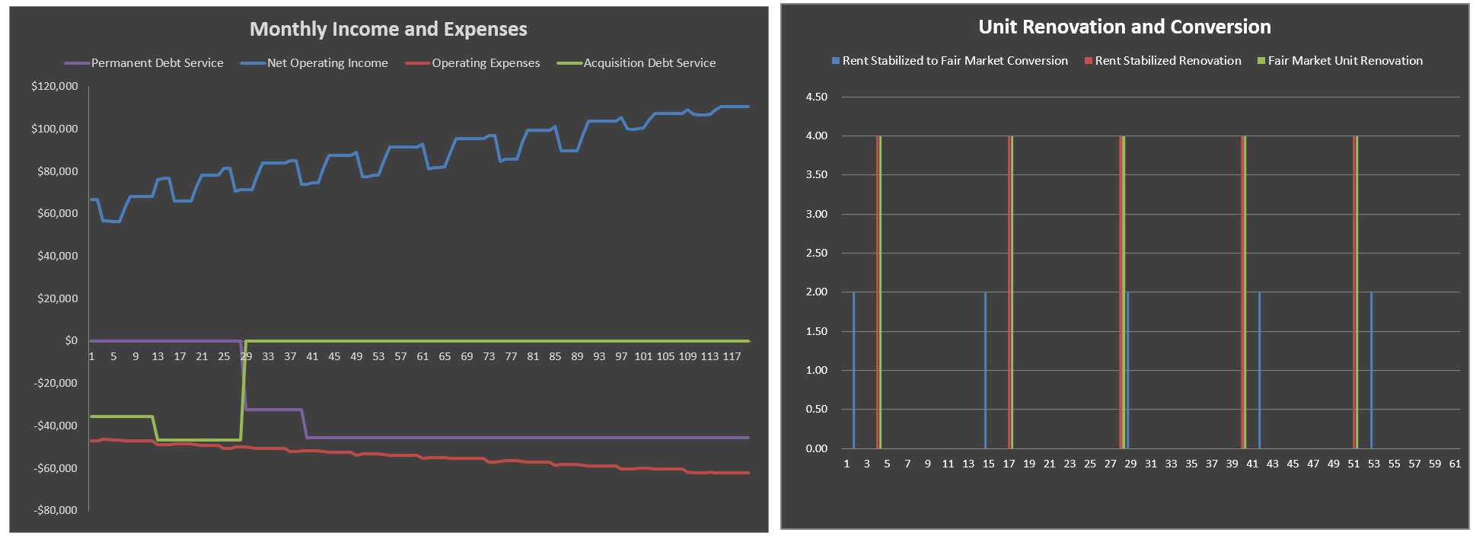
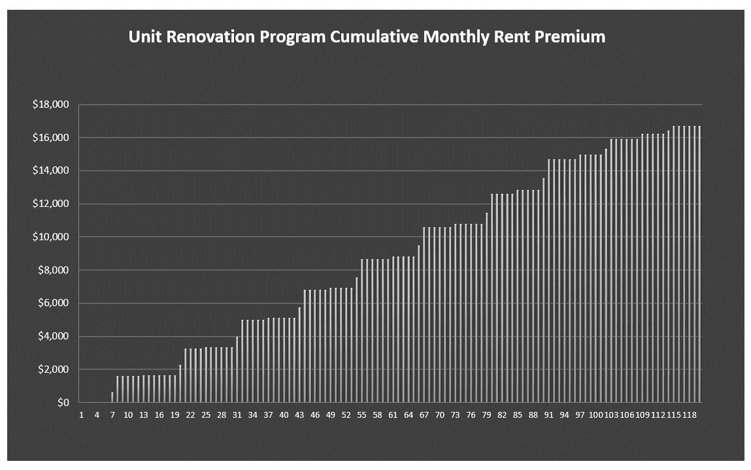
 |  |  |  |  |  |  | Retail CapEx Reserve Per RSF Per Year |  |  | $0.25 PSF | General Vacancy |  | 2.00%
 |  |  |  |  |  |  | Unleased Retail parking O&M |  |  | $5.00 PSF | Unleased Storage O&M |  | $5.00 PSF

SENSITIVITY TABLES BELOW - DO NOT DELETE - HIT F9 TO RUN TABLES ON PC, OR CMD = ON APPLE
IRR Sensitivity Analysis

 | Purchase Cap Rate | 8.08% | 7.65% | 7.27% | 6.92% | 6.61%
 |  | Purchase Price
 | 31.47% | $9,000,000 | $9,500,000 | $10,000,000 | $10,500,000 | $11,000,000 | Price Increment: | $500,000
Disposition Cap Rate | 9.00% | 47.71% | 39.37% | 32.45% | 26.79% | 22.23%
 | 8.50% | 48.03% | 39.80% | 32.99% | 27.42% | 22.93%
 | 8.00% | 48.38% | 40.26% | 33.56% | 28.08% | 23.66% | Cap Rate Increment: | 0.50%
 | 8.50% | 48.03% | 39.80% | 32.99% | 27.42% | 22.93%
 | 9.00% | 47.71% | 39.37% | 32.45% | 26.79% | 22.23%

 | Purchase Cap Rate | 8.08% | 7.65% | 7.27% | 6.92% | 6.61%
 |  | Purchase Price
 | 31.47% | $9,000,000 | $9,500,000 | $10,000,000 | $10,500,000 | $11,000,000 | Price Increment: | $500,000
Acquisition Loan Interest Rate | 6.00% | 44.84% | 36.61% | 29.81% | 24.24% | 19.88%
 | 5.75% | 45.41% | 37.09% | 30.21% | 24.58% | 20.14% | Interest Rate Increment:
 | 5.50% | 45.98% | 37.58% | 30.62% | 24.93% | 20.40% |  | 0.25%
 | 5.25% | 46.56% | 38.08% | 31.04% | 25.28% | 20.67%
 | 5.00% | 47.15% | 38.59% | 31.47% | 25.64% | 20.94%

 |  | Disposition Cap Rate
 | 31.47% | 9.00% | 9.50% | 10.00% | 10.50% | 11.00% | Cap Rate Increment: | 0.50%
Permanent Loan Interest Rate | 6.00% | 29.97% | 29.39% | 28.84% | 28.32% | 27.82%
 | 5.75% | 30.34% | 29.77% | 29.24% | 28.72% | 28.24% | Interest Rate Increment:
 | 5.50% | 30.71% | 30.15% | 29.62% | 29.12% | 28.64% |  | 0.25%
 | 5.25% | 31.06% | 30.52% | 30.00% | 29.51% | 29.05%
 | 5.00% | 31.42% | 30.88% | 30.38% | 29.90% | 29.45%

