0 Overview & Instructions
REFM Self-Storage Facility Acquisition
Excel Model Template
Standard Model Version 6.1
Overview
This monthly financial projection model is specifically designed to facilitate the analysis of the acquisition and operation of a self-storage facility consisting of any combination of Non-Climate Controlled Units, Climate Controlled Units , and Other Space Units (such as office or parking).
Inputs and Exhibits
Any tab that has the word "Inputs" in the tab name is a tab on which the operator of the model is intended to replace the already existing inputs with those for the subject transaction.
Any tab that has the abbreviation "Ex." in the tab name is an Exhibit, meaning that there are no inputs to be made on that tab.
Suggested User Order of Operations
1. Enter the property's unit mix per the instructions below
2. Fill out the inputs on tab 3 Assumptions Inputs.
Entering The Property's Unit Mix
Enter the property's unit mix on tab 2b Unit Mix Inputs. Be sure that all formulas totaling and averaging are still intact (if applicable) after you are done inserting/deleting rows for your Unit Mix.
How To Enter TTM Operating Data
Make inputs on tab 3 Assumptions Inputs in Column D.
Equity Sources - Read Carefully
On tab 3 Assumptions Inputs:
If you only have 1 equity source, enter 100% for Sponsor/Owner equity.
If you have 2 equity sources, enter a value less than 100% for Sponsor/Owner.
On tab 7 Partnership Structure Inputs:
If you only have 1 equity source, you can disregard 7 Partnership Structure Inputs.
If you have 2 equity sources, override all existing values in blue to suit your partnership structure.
Comments Within The Tabs Of The Model
We have included these instructions, and some other notes, throughout the model in Yellow Comment boxes. To view all of these at once, select the "Review" tab on the Excel ribbon at the top, and select "Show All Comments". To hide all Comments, click on "Show All Comments" again. To hide an indvidual comment, right-click on the cell to which the comment is linked and select "Hide Comment".
Definitions:
CC - Climate Controlled
UL - Upper Level
TTM - Trailing Twelve Months

3 Assumptions Inputs
Self-Storage Facility Acquisition Analysis - Summary of Major Assumptions

GENERAL AND TIMING |  |  |  |  |  |  |  | RENT GROWTH SCHEDULE |  |  |  |  |  |  | UNIT MIX
Property | (INSERT PROPERTY ADDRESS) |  |  |  |  |  |  |  |  | Rent Growth
 |  |  |  |  |  |  |  | Elapsed Yr / Start Month |  | over L12M | CAGR |  |  |  | Storage Units |  |  |  |  |  |  | Compound | Other Space
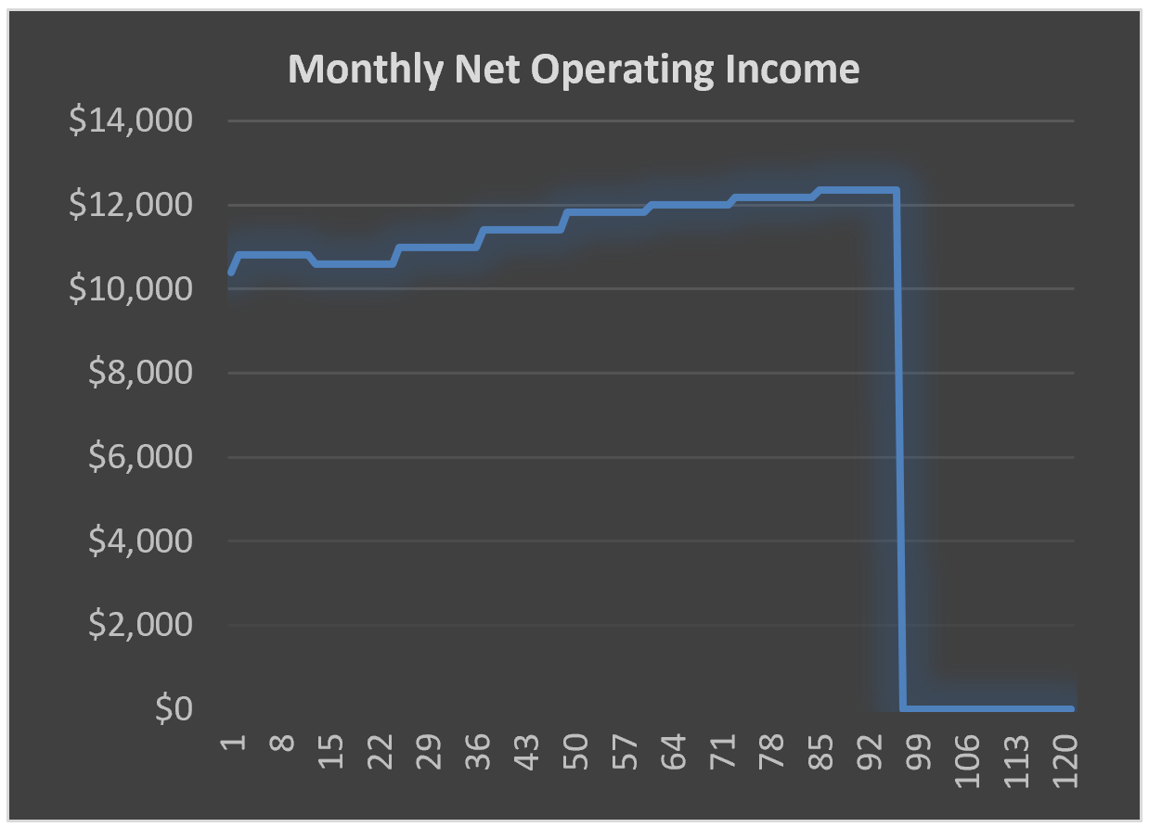
Facility Characteristics |  | Storage | 30,500 RSF |  | 140 Units |  |  | 0 | TTM |  |  |  |  |  | Unit | # of | RSF |  | Ave. Monthly In-Place Rent |  |  | Growth | Unit | # of | RSF |  | Ave. Monthly Market Rent
 |  | Other | 2,200 RSF |  | 14 Units |  |  | 1 | Jan-16 | 2.00% | 2.00% |  |  |  | Type | Units | Average | Total | $/Unit | $/Month | $/SF | Factor | Type | Units | Average | Total | $/Unit | $/Month | $/SF
 |  | Total | 32,700 RSF |  |  |  |  | 2 | Jan-17 | 3.00% | 5.06% |  |  |  | 5 x 5 | 5 units | 25 RSF | 125 RSF | $25.50 | $127.50 | $1.02 | 1.02 | Parking | 1 units | 100 RSF | 100 RSF | $225 | $225 | $2.25
Transaction Timing |  |  |  |  |  |  |  | 3 | Jan-18 | 3.00% | 8.21% |  |  |  | 5 x 10 | 5 units | 50 RSF | 250 RSF | $51.00 | $255.00 | $1.02 | 1.05 | Parking | 1 units | 125 RSF | 125 RSF | $250 | $250 | $2.00
Acquisition Closing Date | 01/15/2016 | (Time 0) |  | Operations Start Date | 01/15/2016 | (Month 1) |  | 4 | Jan-19 | 3.00% | 11.46% |  |  |  | 10 x 10 | 5 units | 100 RSF | 500 RSF | $95.63 | $478.13 | $0.96 | 1.08 | Retail | 2 units | 150 RSF | 300 RSF | $225 | $450 | $1.50
Asset Hold Period (Measured in whole years) |  |  |  |  |  | 8 Years |  | 5 | Jan-20 | 3.00% | 14.80% |  |  |  | 10 x 15 | 5 units | 150 RSF | 750 RSF | $127.50 | $637.50 | $0.85 | 1.11 | Retail | 2 units | 175 RSF | 350 RSF | $250 | $500 | $1.43
Disposition of Asset |  |  |  | Month # | 96 | 01/15/2024 |  | 6 | Jan-21 | 2.00% | 17.10% |  |  |  | 10 x 20 | 5 units | 200 RSF | 1,000 RSF | $191.25 | $956.25 | $0.96 | 1.15 | Retail | 1 units | 200 RSF | 200 RSF | $225 | $225 | $1.13
 |  |  |  |  |  |  |  | 7 | Jan-22 | 2.00% | 19.44% |  |  |  | 15 x 25 | 5 units | 375 RSF | 1,875 RSF | $255.00 | $1,275.00 | $0.68 | 1.17 | Retail | 1 units | 100 RSF | 100 RSF | $225 | $225 | $2.25
ESTIMATED ANNUAL OTHER INCOME AND PASSTHROUGHS |  |  |  |  |  |  |  | 8 | Jan-23 | 2.00% | 21.83% |  |  |  | 25 x 25 | 5 units | 625 RSF | 3,125 RSF | $344.25 | $1,721.25 | $0.55 | 1.19 | Office | 1 units | 125 RSF | 125 RSF | $225 | $225 | $1.80
 |  |  |  |  |  |  |  | 9 | Jan-24 | 2.00% | 24.27% |  |  |  | 5 x 5 CC | 5 units | 25 RSF | 125 RSF | $25.50 | $127.50 | $1.02 | 1.22 | Office | 1 units | 150 RSF | 150 RSF | $225 | $225 | $1.50
 | Escalation from TTM Data |  | 0.00% |  |  |  |  | 10 | Jan-25 | 2.00% | 26.75% |  |  |  | 5 x 10 CC | 5 units | 50 RSF | 250 RSF | $51.00 | $255.00 | $1.02 | 1.24 | Office | 2 units | 175 RSF | 350 RSF | $250 | $500 | $1.43
 |  |  |  |  |  |  |  | 11 | Jan-26 | 2.00% | 29.29% |  |  |  | 10 x 10 CC | 5 units | 100 RSF | 500 RSF | $95.63 | $478.13 | $0.96 | 1.27 | Parking | 2 units | 200 RSF | 400 RSF | $175 | $350 | $0.88
Other Income |  | TTM |  |  |  | Pro Forma |  |  |  |  |  |  |  |  | 10 x 15 CC | 5 units | 150 RSF | 750 RSF | $127.50 | $637.50 | $0.85 | 1.29 | Average/Total | 14 units | 157 RSF | 2,200 RSF | $227 | $3,175 | $1.44
 |  |  |  |  |  | Year 1 |  | ACQUISITION, REFINANCING & DISPOSITION |  |  |  |  |  |  | 10 x 20 CC | 5 units | 200 RSF | 1,000 RSF | $191.25 | $956.25 | $0.96
Late Fees |  | $50 |  |  |  | $50 |  |  |  |  |  |  |  |  | 15 x 25 CC | 5 units | 375 RSF | 1,875 RSF | $255.00 | $1,275.00 | $0.68
Termination Fees |  | $50 |  |  |  | $50 |  | Acquisition Price |  |  |  |  | Going-In Cap Rate: | 13.52% | 25 x 25 CC | 5 units | 625 RSF | 3,125 RSF | $344.25 | $1,721.25 | $0.55
Supplies/Point of Sale Retail |  | $50 |  |  |  | $50 |  | Current NOI |  | $125,105 |  |  | Purchase Price | $925,000 | 5 x 5 UL | 5 units | 25 RSF | 125 RSF | $25.50 | $127.50 | $1.02
Application Fee |  | $50 |  |  |  | $50 |  | Closing Costs (Incl. Settlement, Feasibility, and Legal) |  |  |  |  |  | $25,000 | 5 x 10 UL | 5 units | 50 RSF | 250 RSF | $51.00 | $255.00 | $1.02
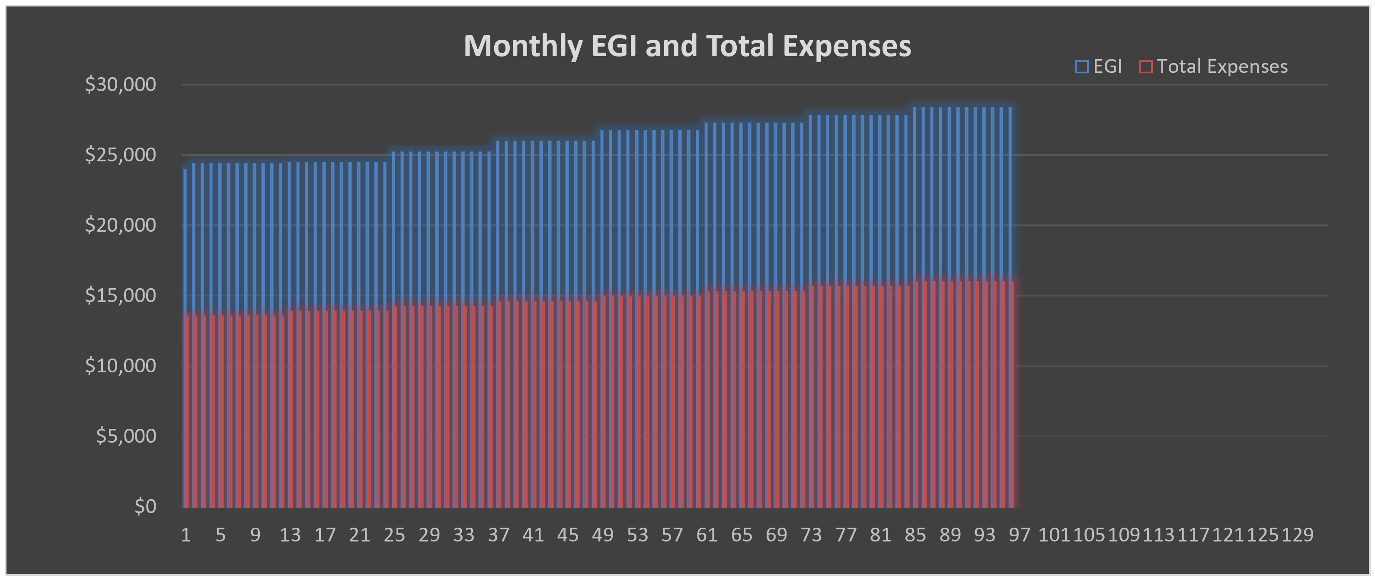
Other/Misc. |  | $25 |  |  |  | $25 |  | Acquisition Fee |  | 1.00% | of Purchase Price |  |  | $9,250 | 10 x 10 UL | 5 units | 100 RSF | 500 RSF | $95.63 | $478.13 | $0.96
Total |  | $225 |  | Per Unit Per Year | $1.61 | $225 |  | Broker Fee |  | 1.00% | of Purchase Price |  |  | $9,250 | 10 x 15 UL | 5 units | 150 RSF | 750 RSF | $127.50 | $637.50 | $0.85
 |  |  |  |  |  |  |  | Recording Fees/Misc. |  | 1.00% | of Purchase Price |  |  | $9,250 | 10 x 20 UL | 5 units | 200 RSF | 1,000 RSF | $191.25 | $956.25 | $0.96
Prepay Income |  | $75 |  |  |  |  |  | Transfer Tax |  | 1.00% | of Purchase Price |  |  | $9,250 | 15 x 25 UL | 5 units | 375 RSF | 1,875 RSF | $255.00 | $1,275.00 | $0.68
Other Month's Rent |  | $75 |  |  |  |  |  | Total Unleveraged Uses |  |  |  |  |  | $987,000 | 25 x 25 UL | 5 units | 625 RSF | 3,125 RSF | $344.25 | $1,721.25 | $0.55
 |  |  |  |  |  |  |  | Loan Fee |  | 2.03% | of Loan Balance |  |  | $13,000 | 5 x 5 CC UL | 5 units | 25 RSF | 125 RSF | $25.50 | $127.50 | $1.02
 |  |  |  |  |  |  |  | Total Leveraged Uses |  |  |  |  |  | $1,000,000 | 5 x 10 CC UL | 5 units | 50 RSF | 250 RSF | $51.00 | $255.00 | $1.02
 |  |  |  |  |  |  |  |  |  |  |  |  |  |  | 10 x 10 CC UL | 5 units | 100 RSF | 500 RSF | $95.63 | $478.13 | $0.96
ESTIMATED ANNUAL EXPENSES |  |  |  |  |  |  |  | Debt: Senior Acquisition Loan |  |  | 65% LTC |  | Interest-Only Period | 2 Years | 10 x 15 CC UL | 5 units | 150 RSF | 750 RSF | $127.50 | $637.50 | $0.85
 |  |  |  |  |  |  |  | Loan Principal Amount |  |  | $641,550 |  | Amortization Period | 30 Years | 10 x 20 CC UL | 5 units | 200 RSF | 1,000 RSF | $191.25 | $956.25 | $0.96
 | Escalation from TTM Data |  | 0.00% |  |  |  |  | Annual Interest Rate |  |  | 5.00% |  | Monthly Payment | $3,444 | 15 x 25 CC UL | 5 units | 375 RSF | 1,875 RSF | $255.00 | $1,275.00 | $0.68
 |  |  |  | Pro Forma Year 1 |  |  |  |  |  |  |  |  | Annual Debt Service | $41,328 | 25 x 25 CC UL | 5 units | 625 RSF | 3,125 RSF | $344.25 | $1,721.25 | $0.55
Operating Expenses |  | TTM |  | $/Year | Per Unit | % of EGI |  |  |  |  |  |  |  |  | Average/Total | 140 units | 218 RSF | 30,500 RSF | $156 | $21,803 | $0.71
Utilities |  | $2,500 |  | $2,500 | $18 | 0.86% |  | Equity | 36% Acquisition Cost |  |  | Initial | Deficits | Total
Payroll Expenses |  | $40,000 |  | $40,000 | $286 | 13.71% |  | Sponsor/Owner |  |  | 10.00% | $35,845 | $3,092 | $38,937
General & Administrative |  | $25,000 |  | $25,000 | $179 | 8.57% |  | Third Party Investor |  |  | 90.00% | $322,605 | $27,826 | $350,431
Marketing and Advertising |  | $12,500 |  | $12,500 | $89 | 4.29% |  | Total Equity Contribution |  |  | 100.00% | $358,450 | $30,918 | $389,368
Contract Maintenance |  | $10,000 |  | $10,000 | $71 | 3.43%
Turnover Costs |  | $2,500 |  | $2,500 | $18 | 0.86% |  | Permanent Loan (Refinancing)
Repairs and Maintenance |  | $2,500 |  | $2,500 | $18 | 0.86% |  | Refinancing Timing (Leave as 0 if none) |  |  | Month 48 | Year # | 4 | 2020-01-15
Insurance |  | $2,500 |  | $2,500 | $18 | 0.86% |  | Interest Rate |  | 5.00% |  |  | Interest-Only Period | 1 Years
Licenses/Permits/Other |  | $2,500 |  | $2,500 | $18 | 0.86% |  | Loan Amount * |  | $1,595,839 |  |  | Amortization Period | 29 Years | * The Lesser of the Two Maximum Loan Proceeds Amounts
Total Oper. Expenses |  | $100,000 |  | $100,000 | $714 | 34.28% |  | Monthly Payment |  | ($8,695) |  |  | Loan/Broker Fees/Closing Costs | 1.50%
 |  |  |  |  |  |  |  |  |  |  |  |  | Annual Debt Service | ($104,341)
Real Estate Taxes |  | $50,000 |  | $50,000 | $357 | 17.14% |  | Disposition
Management Fees |  | $10,000 |  | $10,000 | $71 | 3.43% |  |  |  | Capitalization Rate |  | 9.00% | Selling Costs | 2.50%
Replacement Reserve |  | $2,500 |  | $2,500 | $18 | 0.86% |  | TTM NOI at Sale |  | Gross Valuation |  | $1,646,932 |  | ($41,173)
Total Expenses |  | $162,500 |  | $162,500 | $1,161 | 55.71% |  | $148,224 |  | Net Proceeds |  | $1,605,758

 |  | TTM |  |  |  |  |  | INVESTMENT SUMMARY
Loss to Lease |  | $2,500
Write Off |  | $2,500 |  |  |  |  |  |  | Purchase Cap Rate |  |  |  | 13.52%
Vacancy Loss |  | $2,500 |  |  |  |  |  |  | GRM |  |  |  | 3.54x
Non-Revenue Unit(s) |  | $2,500 |  |  |  |  |  |  | Per Unit |  |  |  | $6,607.14
Rent Concessions |  | $2,500 |  |  |  |  |  |  | Per RSF |  |  |  | $28.29
Asset Management Fee |  | $2,500 |  |  |  |  |  |  | Levered Cash Flow |  |  |  | $1,540,776
 |  |  |  |  |  |  |  |  | Levered IRR |  |  |  | 53.72%
Annual Growth Rates |  |  | Asset Mgmt Fee as % of EGI |  |  | 3.00% |  |  | Total Equity |  |  |  | $389,368
OpEx, Fees and Reserves |  | 3.00% |  |  |  |  |  |  | Multiple on Equity |  |  |  | 4.96x
Real Estate Taxes |  | 1.00% |  |  |  |  |  |  | Net Present Value |  | at 10.00% |  | $908,262

GROSS RENT DEDUCTIONS AND NON-REVENUE UNITS
Year |  |  | 1 | 2 | 3 | 4 | 5 | 6 | 7 | 8 | 9 | 10 | 11 | Average
Gross Rent Deductions |  | TTM | 2016 | 2017 | 2018 | 2019 | 2020 | 2021 | 2022 | 2023 | 2024 | 2025 | 2026
Loss to Lease (Existing Leases) |  | 0.96% | 0.96% | 1% | 1% | 1% | 1% | 1% | 1% | 1% | 1% | 1% | 1% | 1%
Vacancy Loss |  | 0.96% | 0.96% | 2% | 2% | 2% | 2% | 2% | 2% | 2% | 2% | 2% | 2% | 2%
Rent Concessions (New Tenants) |  | 0.96% | 0.96% | 3% | 3% | 3% | 3% | 3% | 3% | 3% | 3% | 3% | 3% | 2%
Write Off |  | 0.99% | 0.99% | 0.99% | 0.99% | 0.99% | 0.99% | 0.99% | 0.99% | 0.99% | 0.99% | 0.99% | 0.99% | 1%
Total |  | 3.87% | 3.87% | 6.49% | 6.49% | 6.49% | 6.49% | 6.49% | 6.49% | 6.49% | 6.49% | 6.49% | 6.49% | 6%
Non-Revenue Unit(s) |  |  | 1 | 1 | 1 | 1 | 1 | 1 | 1 | 1 | 1 | 1 | 1 | 1

SENSITIVITY TABLES BELOW - DO NOT DELETE - HIT F9 TO RUN TABLES |  |  |  |  |  |  |  |  | $622,984 | Acq'n Loan Remaining Principal

 |  |  |  |  |  |  |  | Permanent Loan Test
 |  | Purchase Price |  |  |  |  |  | TTM NOI at Point of Refinancing |  |  |  |  | $136,786
 | 53.72% | $0 | $0 | $0 | $0 | $0 |  | Capitalization Rate at Point of Refinancing |  |  |  |  | 6.00%
 | 0.00% | 205572.60% | 205572.60% | 205572.60% | 205572.60% | 205572.60% |  | Gross Valuation at Point of Refinancing |  |  |  |  | $2,279,769
 | 0.00% | 205572.60% | 205572.60% | 205572.60% | 205572.60% | 205572.60% |  | Maximum LTV |  |  |  |  | 70%
Disposition Cap Rate | 0.00% | 205572.60% | 205572.60% | 205572.60% | 205572.60% | 205572.60% |  | Maximum Loan Proceeds |  | $1,595,839 |  | Monthly Payment | ($8,695)
 | 0.00% | 205572.60% | 205572.60% | 205572.60% | 205572.60% | 205572.60%
 | 0.00% | 205572.60% | 205572.60% | 205572.60% | 205572.60% | 205572.60% |  | TTM NOI at Point of Refinancing |  |  |  |  | $136,786
 |  |  |  |  |  |  |  | Required Debt Service Coverage Ratio |  |  |  |  | 1.20x
 |  |  |  |  |  |  |  | Maximum Allowable Debt Service |  |  |  |  | $113,988
 |  | Asset Hold Period |  |  |  |  |  | Maximum Loan Proceeds |  | $1,743,390 |  | Monthly Payment | ($9,499)
 | 53.72% | Months | Months | Months | Months | Months
 | Month 0 | 0.00% | 0.00% | 0.00% | 0.00% | 0.00% |  | * The Lesser of the Two Maximum Loan Proceeds Amounts Calculated
 | Month 0 | 0.00% | 0.00% | 0.00% | 0.00% | 0.00%
Refinancing Timing | Month 0 | 0.00% | 0.00% | 0.00% | 0.00% | 0.00%
 | Month 0 | 0.00% | 0.00% | 0.00% | 0.00% | 0.00%
 | Month 0 | 0.00% | 0.00% | 0.00% | 0.00% | 0.00%

